Q1
Q1. Are there any trends or patterns in the frequency of hosting Olympic Games?

SQL Query: | Games_year | Previous_year | Gap_between_the_Previous_Year | The line chart plots the gap between Olympic Games years from 1900 to 2014. A noticeable 8-year gap between 1912 and 1920 due to World War I. 1940 and 1944 Games were skipped, leading to a 12-year gap between 1936 and 1948 due to World War II. After 1994, the gap has consistently been 2 years, showing strong institutional regularity and better global coordination.
 | 1900 | 1896 | 4
 | 1904 | 1900 | 4
 | 1906 | 1904 | 2
 | 1908 | 1906 | 2
 | 1912 | 1908 | 4
 | 1920 | 1912 | 8
 | 1924 | 1920 | 4
Trends in hosting Olympic Games
 | 1924 | 1924 | 0
 | 1928 | 1924 | 4
 | 1928 | 1928 | 0
 | 1932 | 1928 | 4
 | 1932 | 1932 | 0
 | 1936 | 1932 | 4
 | 1936 | 1936 | 0
 | 1948 | 1936 | 12
 | 1948 | 1948 | 0
 | 1952 | 1948 | 4
 | 1952 | 1952 | 0
 | 1956 | 1952 | 4
 | 1956 | 1956 | 0
 | 1960 | 1956 | 4
 | 1960 | 1960 | 0
 | 1964 | 1960 | 4
 | 1964 | 1964 | 0
 | 1968 | 1964 | 4
 | 1968 | 1968 | 0
 | 1972 | 1968 | 4
 | 1972 | 1972 | 0
 | 1976 | 1972 | 4
 | 1976 | 1976 | 0
 | 1980 | 1976 | 4
 | 1980 | 1980 | 0
 | 1984 | 1980 | 4
 | 1984 | 1984 | 0
 | 1988 | 1984 | 4
 | 1988 | 1988 | 0
 | 1992 | 1988 | 4
 | 1992 | 1992 | 0
 | 1994 | 1992 | 2
 | 1996 | 1994 | 2
 | 1998 | 1996 | 2
 | 2000 | 1998 | 2
 | 2002 | 2000 | 2
 | 2004 | 2002 | 2
 | 2006 | 2004 | 2
 | 2008 | 2006 | 2
 | 2010 | 2008 | 2
 | 2012 | 2010 | 2
 | 2014 | 2012 | 2
 | 2016 | 2014 | 2

Q2
Q2: How has the duration of Olympic Games changed over time?


SQL Query: | Decade | Count_of_Games_played_in_that_decade | The bar chart displays the number of Olympic Games held per decade from the 1890s to the 2010s. The 1900s witnessed 4 Olympic Games, indicating experimentation or overlap between seasonal formats. Only 1 event each in the 1890s and 1910s, maybe because of early phase of the Olympics and World War I. The 1940s had only 1 event, disrupted by World War II. The 1960s–1980s maintained 3 events per decade, aligning with both Summer and Winter Olympics. Post 1990 show a consistent 2–3 Games per decade, reflecting institutional robustness and global coordination.
 | 1890 | 1
 | 1900 | 4
 | 1910 | 1
 | 1920 | 3
 | 1920 | 2
 | 1930 | 2
 | 1930 | 2
 | 1940 | 1
 | 1940 | 1
Duration of Olympic Games over the years
 | 1950 | 2
 | 1950 | 2
 | 1960 | 3
 | 1960 | 3
 | 1970 | 2
 | 1970 | 2
 | 1980 | 3
 | 1980 | 3
 | 1990 | 2
 | 1990 | 3
 | 2000 | 3
 | 2000 | 2
 | 2010 | 2
 | 2010 | 2

Q3
Q3. Are there any notable events or occurrences associated with specific Olympic Games?

SQL Query: | Games_year | Previous_year | Gap_between_the_Previous_Year | a) The 8-year interval that preceded the 1920 Games, which signifies the cancellation of the 1916 Olympics due to World War I. b) The even more significant 12-year interval leading up to the 1948 Games, which indicates the cancellation of both the 1940 and 1944 Olympics as a result of World War II.
 | 1900 | 1896 | 4
 | 1904 | 1900 | 4
 | 1906 | 1904 | 2
 | 1908 | 1906 | 2
 | 1912 | 1908 | 4
 | 1920 | 1912 | 8
Notable occurrence during the Games
 | Previous_year | Gap_between_the_Previous_Year
1900 | 1896 | 4
1904 | 1900 | 4
1906 | 1904 | 2
1908 | 1906 | 2
1912 | 1908 | 4
1920 | 1912 | 8
1924 | 1920 | 4
1924 | 1924 | 0
1928 | 1924 | 4
1928 | 1928 | 0
1932 | 1928 | 4
1932 | 1932 | 0
1936 | 1932 | 4
1936 | 1936 | 0
1948 | 1936 | 12
1948 | 1948 | 0
1952 | 1948 | 4
1952 | 1952 | 0
1956 | 1952 | 4
1956 | 1956 | 0
1960 | 1956 | 4
1960 | 1960 | 0
1964 | 1960 | 4
1964 | 1964 | 0
1968 | 1964 | 4
1968 | 1968 | 0
1972 | 1968 | 4
1972 | 1972 | 0
1976 | 1972 | 4
1976 | 1976 | 0
1980 | 1976 | 4
1980 | 1980 | 0
1984 | 1980 | 4
1984 | 1984 | 0
1988 | 1984 | 4
1988 | 1988 | 0
1992 | 1988 | 4
1992 | 1992 | 0
1994 | 1992 | 2
1996 | 1994 | 2
1998 | 1996 | 2
2000 | 1998 | 2
2002 | 2000 | 2
2004 | 2002 | 2
2006 | 2004 | 2
2008 | 2006 | 2
2010 | 2008 | 2
2012 | 2010 | 2
2014 | 2012 | 2
2016 | 2014 | 2
 | 1924 | 1920 | 4
 | 1924 | 1924 | 0
 | 1928 | 1924 | 4
 | 1928 | 1928 | 0
 | 1932 | 1928 | 4
 | 1932 | 1932 | 0
 | 1936 | 1932 | 4
 | 1936 | 1936 | 0
 | 1948 | 1936 | 12
 | 1948 | 1948 | 0
 | 1952 | 1948 | 4
 | 1952 | 1952 | 0
 | 1956 | 1952 | 4
 | 1956 | 1956 | 0
 | 1960 | 1956 | 4
 | 1960 | 1960 | 0
 | 1964 | 1960 | 4
 | 1964 | 1964 | 0
 | 1968 | 1964 | 4
 | 1968 | 1968 | 0
 | 1972 | 1968 | 4
 | 1972 | 1972 | 0
 | 1976 | 1972 | 4
 | 1976 | 1976 | 0
 | 1980 | 1976 | 4
 | 1980 | 1980 | 0
 | 1984 | 1980 | 4
 | 1984 | 1984 | 0
 | 1988 | 1984 | 4
 | 1988 | 1988 | 0
 | 1992 | 1988 | 4
 | 1992 | 1992 | 0
 | 1994 | 1992 | 2
 | 1996 | 1994 | 2
 | 1998 | 1996 | 2
 | 2000 | 1998 | 2
 | 2002 | 2000 | 2
 | 2004 | 2002 | 2
 | 2006 | 2004 | 2
 | 2008 | 2006 | 2
 | 2010 | 2008 | 2
 | 2012 | 2010 | 2
 | 2014 | 2012 | 2
 | 2016 | 2014 | 2

Q4
Q4: Are there any emerging sports that have been recently added to the Olympics?

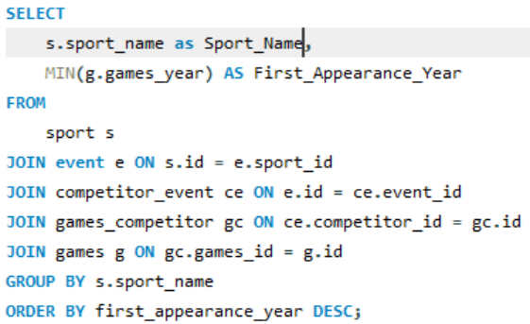
SQL Query: | Sport_name | First_Appearance_Year
 | Rugby Sevens | 2016
 | Taekwondo | 2000
 | Triathlon | 2000
 | Trampolining | 2000
 | Snowboarding | 1998
 | Softball | 1996
 | Beach Volleyball | 1996
 | Baseball | 1992
 | Badminton | 1992
 | Short Track Speed Skating | 1992

 | The chart lists 10 sports introduced to the Olympic program between 1992 and 2016. The Olympic Games have strategically expanded their sports portfolio to include emerging, fast-paced, and youth-oriented events. The continuous inclusion of sports since 1992 indicates an evolving, inclusive Olympic spirit that welcomes modernity while respecting tradition. Future editions of the Games are likely to see further innovation with sports influenced by urban culture, digital trends, and global popularity.

Q5
Q5: How has the popularity of certain sports changed over the years?

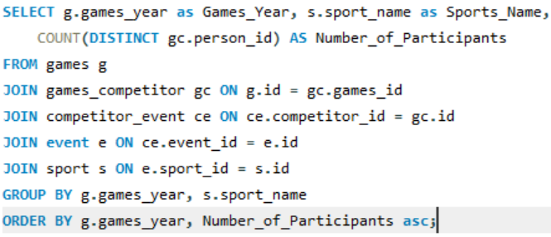
SQL Query:
 | Games_Year | Sports_Name | Number_of_Participants | This stacked bar chart visualizes the number of participants across selected sports from 1896 to 2016. From less than 500 participants in 1986 to crossing 10,000 in recent years - indicates increased global representation and expanding sport rosters. The most dramatic increase in participation occurs post-1980, reflecting the globalization of the Olympics and entry of new nations and athletes post-Cold War. The data highlights a broader narrative of inclusivity, modernization, and an increasing global enthusiasm for the Olympic movement.
 | 1896 | Wrestling | 3
 | 1896 | Swimming | 4
 | 1896 | Weightlifting | 4
 | 1896 | Fencing | 6
 | 1896 | Cycling | 7
 | 1896 | Tennis | 8
 | 1896 | Shooting | 10
 | 1896 | Gymnastics | 17
 | 1896 | Athletics | 34
 | 1900 | Basque Pelota | 2
 | 1900 | Croquet | 8
 | 1900 | Tug-Of-War | 11
 | 1900 | Football | 16
 | 1900 | Golf | 16
 | 1900 | Archery | 17
 | Aeronautics | Alpine Skiing | Alpinism | Archery | Art Competitions | Athletics | Badminton | Baseball | Basketball | Basque Pelota | Beach Volleyball | Biathlon
1896 |  |  |  |  |  | 34
1900 |  |  |  | 17 |  | 102 |  |  |  | 2
1904 |  |  |  | 24 |  | 94
1906 |  |  |  |  |  | 131
1908 |  |  |  | 38 |  | 374
1912 |  |  |  |  | 25 | 523
1920 |  |  |  | 19 | 11 | 436
1924 |  |  | 12 |  | 139 | 575
1928 |  |  |  |  | 318 | 624
1932 |  |  | 2 |  | 505 | 349
1936 | 1 | 102 | 2 |  | 430 | 762 |  |  | 193
1948 |  | 164 |  |  | 264 | 681 |  |  | 181
1952 |  | 165 |  |  |  | 942 |  |  | 280
1956 |  | 172 |  |  |  | 668 |  |  | 113
1960 |  | 130 |  |  |  | 989 |  |  | 191 |  |  | 30
1964 |  | 168 |  |  |  | 999 |  |  | 188 |  |  | 51
1968 |  | 182 |  |  |  | 1005 |  |  | 185 |  |  | 72
1972 |  | 140 |  | 95 |  | 1305 |  |  | 189 |  |  | 62
1976 |  | 178 |  | 63 |  | 996 |  |  | 212 |  |  | 74
1980 |  | 174 |  | 67 |  | 924 |  |  | 214 |  |  | 73
1984 |  | 218 |  | 109 |  | 1244 |  |  | 213 |  |  | 94
1988 |  | 269 |  | 145 |  | 1589 |  |  | 233 |  |  | 90
1992 |  | 320 |  | 135 |  | 1705 | 177 | 157 | 235 |  |  | 196
1994 |  | 249 |  |  |  |  |  |  |  |  |  | 193
1996 |  |  |  | 128 |  | 2048 | 192 | 160 | 283 |  | 84
1998 |  | 248 |  |  |  |  |  |  |  |  |  | 183
2000 |  |  |  | 128 |  | 2136 | 171 | 192 | 286 |  | 95
2002 |  | 278 |  |  |  |  |  |  |  |  |  | 190
2004 |  |  |  | 128 |  | 1994 | 172 | 191 | 286 |  | 96
2006 |  | 287 |  |  |  |  |  |  |  |  |  | 204
2008 |  |  |  | 128 |  | 2055 | 173 | 191 | 286 |  | 96
2010 |  | 309 |  |  |  |  |  |  |  |  |  | 204
2012 |  |  |  | 128 |  | 2077 | 172 |  | 286 |  | 96
2014 |  | 314 |  |  |  |  |  |  |  |  |  | 204
2016 |  |  |  | 128 |  | 2268 | 172 |  | 280 |  | 96
 | 1900 | Cricket | 18
 | 1900 | Polo | 18
 | 1900 | Tennis | 18
 | 1900 | Cycling | 24
 | 1900 | Rugby | 26
 | 1900 | Water Polo | 26
 | 1900 | Equestrianism | 33
 | 1900 | Gymnastics | 33
 | 1900 | Swimming | 33
 | 1900 | Shooting | 46
 | 1900 | Sailing | 47
 | 1900 | Rowing | 70
 | 1900 | Fencing | 101
 | 1900 | Athletics | 102
 | 1904 | Weightlifting | 2
 | 1904 | Diving | 3
 | 1904 | Roque | 3
 | 1904 | Fencing | 10
 | 1904 | Tug-Of-War | 13
 | 1904 | Boxing | 14
 | 1904 | Cycling | 14
 | 1904 | Lacrosse | 17
 | 1904 | Water Polo | 17
 | 1904 | Archery | 24
 | 1904 | Swimming | 28
 | 1904 | Tennis | 29
 | 1904 | Wrestling | 31
 | 1904 | Football | 32
 | 1904 | Rowing | 37
 | 1904 | Golf | 69
 | 1904 | Gymnastics | 82
 | 1904 | Athletics | 94
 | 1906 | Weightlifting | 8
 | 1906 | Wrestling | 16
 | 1906 | Tennis | 17
 | 1906 | Cycling | 18
 | 1906 | Football | 18
 | 1906 | Diving | 19
 | 1906 | Tug-Of-War | 20
 | 1906 | Rowing | 25
 | 1906 | Shooting | 30
 | 1906 | Swimming | 30
 | 1906 | Fencing | 42
 | 1906 | Gymnastics | 51
 | 1906 | Athletics | 131
 | 1908 | Racquets | 7
 | 1908 | Jeu De Paume | 11
 | 1908 | Polo | 11
 | 1908 | Motorboating | 12
 | 1908 | Figure Skating | 17
 | 1908 | Lacrosse | 19
 | 1908 | Boxing | 20
 | 1908 | Rugby | 23
 | 1908 | Diving | 25
 | 1908 | Water Polo | 26
 | 1908 | Tug-Of-War | 36
 | 1908 | Archery | 38
 | 1908 | Tennis | 46
 | 1908 | Hockey | 47
 | 1908 | Cycling | 51
 | 1908 | Sailing | 55
 | 1908 | Football | 63
 | 1908 | Wrestling | 65
 | 1908 | Rowing | 68
 | 1908 | Swimming | 80
 | 1908 | Fencing | 100
 | 1908 | Shooting | 163
 | 1908 | Gymnastics | 216
 | 1908 | Athletics | 374
 | 1912 | Tug-Of-War | 16
 | 1912 | Art Competitions | 25
 | 1912 | Modern Pentathlon | 31
 | 1912 | Water Polo | 45
 | 1912 | Diving | 56
 | 1912 | Equestrianism | 56
 | 1912 | Tennis | 80
 | 1912 | Sailing | 98
 | 1912 | Swimming | 118
 | 1912 | Cycling | 119
 | 1912 | Fencing | 144
 | 1912 | Football | 157
 | 1912 | Wrestling | 165
 | 1912 | Rowing | 183
 | 1912 | Gymnastics | 249
 | 1912 | Shooting | 281
 | 1912 | Athletics | 523
 | 1920 | Art Competitions | 11
 | 1920 | Polo | 16
 | 1920 | Archery | 19
 | 1920 | Modern Pentathlon | 21
 | 1920 | Figure Skating | 22
 | 1920 | Rugby | 26
 | 1920 | Tug-Of-War | 29
 | 1920 | Hockey | 31
 | 1920 | Weightlifting | 33
 | 1920 | Diving | 46
 | 1920 | Ice Hockey | 54
 | 1920 | Tennis | 57
 | 1920 | Water Polo | 67
 | 1920 | Cycling | 73
 | 1920 | Equestrianism | 75
 | 1920 | Boxing | 82
 | 1920 | Swimming | 86
 | 1920 | Sailing | 93
 | 1920 | Rowing | 94
 | 1920 | Wrestling | 105
 | 1920 | Fencing | 126
 | 1920 | Football | 168
 | 1920 | Shooting | 180
 | 1920 | Gymnastics | 196
 | 1920 | Athletics | 436
 | 1924 | Alpinism | 12
 | 1924 | Curling | 16
 | 1924 | Military Ski Patrol | 19
 | 1924 | Polo | 22
 | 1924 | Bobsleigh | 24
 | 1924 | Ski Jumping | 24
 | 1924 | Figure Skating | 25
 | 1924 | Modern Pentathlon | 29
 | 1924 | Nordic Combined | 29
 | 1924 | Speed Skating | 29
 | 1924 | Rugby | 36
 | 1924 | Diving | 50
 | 1924 | Sailing | 50
 | 1924 | Cross Country Skiing | 52
 | 1924 | Gymnastics | 56
 | 1924 | Weightlifting | 62
 | 1924 | Water Polo | 73
 | 1924 | Ice Hockey | 78
 | 1924 | Cycling | 86
 | 1924 | Equestrianism | 89
 | 1924 | Tennis | 101
 | 1924 | Rowing | 132
 | 1924 | Swimming | 138
 | 1924 | Art Competitions | 139
 | 1924 | Wrestling | 155
 | 1924 | Boxing | 159
 | 1924 | Shooting | 180
 | 1924 | Fencing | 189
 | 1924 | Football | 244
 | 1924 | Athletics | 575
 | 1928 | Skeleton | 8
 | 1928 | Modern Pentathlon | 30
 | 1928 | Nordic Combined | 32
 | 1928 | Ski Jumping | 33
 | 1928 | Speed Skating | 39
 | 1928 | Figure Skating | 42
 | 1928 | Diving | 46
 | 1928 | Weightlifting | 63
 | 1928 | Cross Country Skiing | 65
 | 1928 | Bobsleigh | 75
 | 1928 | Hockey | 79
 | 1928 | Water Polo | 85
 | 1928 | Equestrianism | 104
 | 1928 | Ice Hockey | 106
 | 1928 | Sailing | 106
 | 1928 | Boxing | 108
 | 1928 | Cycling | 110
 | 1928 | Gymnastics | 111
 | 1928 | Wrestling | 116
 | 1928 | Swimming | 146
 | 1928 | Rowing | 173
 | 1928 | Football | 191
 | 1928 | Fencing | 203
 | 1928 | Art Competitions | 318
 | 1928 | Athletics | 624
 | 1932 | Alpinism | 2
 | 1932 | Diving | 20
 | 1932 | Modern Pentathlon | 21
 | 1932 | Equestrianism | 27
 | 1932 | Weightlifting | 27
 | 1932 | Nordic Combined | 29
 | 1932 | Ski Jumping | 29
 | 1932 | Shooting | 30
 | 1932 | Hockey | 31
 | 1932 | Speed Skating | 31
 | 1932 | Water Polo | 32
 | 1932 | Bobsleigh | 35
 | 1932 | Figure Skating | 36
 | 1932 | Gymnastics | 42
 | 1932 | Ice Hockey | 46
 | 1932 | Sailing | 49
 | 1932 | Cross Country Skiing | 51
 | 1932 | Cycling | 61
 | 1932 | Wrestling | 67
 | 1932 | Boxing | 70
 | 1932 | Fencing | 102
 | 1932 | Swimming | 107
 | 1932 | Rowing | 130
 | 1932 | Athletics | 349
 | 1932 | Art Competitions | 505
 | 1936 | Aeronautics | 1
 | 1936 | Alpinism | 2
 | 1936 | Polo | 21
 | 1936 | Modern Pentathlon | 41
 | 1936 | Ski Jumping | 48
 | 1936 | Nordic Combined | 50
 | 1936 | Speed Skating | 50
 | 1936 | Diving | 66
 | 1936 | Weightlifting | 80
 | 1936 | Figure Skating | 83
 | 1936 | Bobsleigh | 89
 | 1936 | Alpine Skiing | 102
 | 1936 | Handball | 105
 | 1936 | Cross Country Skiing | 108
 | 1936 | Canoeing | 119
 | 1936 | Equestrianism | 127
 | 1936 | Shooting | 133
 | 1936 | Water Polo | 142
 | 1936 | Hockey | 158
 | 1936 | Ice Hockey | 171
 | 1936 | Sailing | 171
 | 1936 | Cycling | 174
 | 1936 | Gymnastics | 175
 | 1936 | Boxing | 179
 | 1936 | Basketball | 193
 | 1936 | Wrestling | 195
 | 1936 | Football | 201
 | 1936 | Swimming | 231
 | 1936 | Fencing | 300
 | 1936 | Rowing | 308
 | 1936 | Art Competitions | 430
 | 1936 | Athletics | 762
 | 1948 | Skeleton | 15
 | 1948 | Modern Pentathlon | 34
 | 1948 | Nordic Combined | 39
 | 1948 | Ski Jumping | 49
 | 1948 | Diving | 52
 | 1948 | Figure Skating | 62
 | 1948 | Bobsleigh | 67
 | 1948 | Speed Skating | 68
 | 1948 | Weightlifting | 85
 | 1948 | Equestrianism | 88
 | 1948 | Canoeing | 98
 | 1948 | Cross Country Skiing | 106
 | 1948 | Water Polo | 111
 | 1948 | Hockey | 137
 | 1948 | Ice Hockey | 137
 | 1948 | Shooting | 147
 | 1948 | Wrestling | 147
 | 1948 | Boxing | 151
 | 1948 | Football | 153
 | 1948 | Cycling | 157
 | 1948 | Sailing | 160
 | 1948 | Alpine Skiing | 164
 | 1948 | Gymnastics | 171
 | 1948 | Basketball | 181
 | 1948 | Swimming | 201
 | 1948 | Rowing | 239
 | 1948 | Fencing | 253
 | 1948 | Art Competitions | 264
 | 1948 | Athletics | 681
 | 1952 | Nordic Combined | 24
 | 1952 | Ski Jumping | 44
 | 1952 | Modern Pentathlon | 50
 | 1952 | Figure Skating | 61
 | 1952 | Speed Skating | 67
 | 1952 | Bobsleigh | 68
 | 1952 | Diving | 71
 | 1952 | Equestrianism | 122
 | 1952 | Weightlifting | 135
 | 1952 | Cross Country Skiing | 137
 | 1952 | Ice Hockey | 145
 | 1952 | Canoeing | 152
 | 1952 | Hockey | 153
 | 1952 | Alpine Skiing | 165
 | 1952 | Water Polo | 182
 | 1952 | Shooting | 201
 | 1952 | Cycling | 205
 | 1952 | Sailing | 214
 | 1952 | Wrestling | 224
 | 1952 | Boxing | 246
 | 1952 | Football | 274
 | 1952 | Basketball | 280
 | 1952 | Fencing | 281
 | 1952 | Swimming | 302
 | 1952 | Gymnastics | 308
 | 1952 | Rowing | 383
 | 1952 | Athletics | 942
 | 1956 | Nordic Combined | 34
 | 1956 | Modern Pentathlon | 35
 | 1956 | Diving | 50
 | 1956 | Ski Jumping | 50
 | 1956 | Figure Skating | 59
 | 1956 | Speed Skating | 81
 | 1956 | Weightlifting | 88
 | 1956 | Water Polo | 90
 | 1956 | Bobsleigh | 99
 | 1956 | Canoeing | 109
 | 1956 | Basketball | 113
 | 1956 | Football | 113
 | 1956 | Gymnastics | 120
 | 1956 | Shooting | 125
 | 1956 | Sailing | 126
 | 1956 | Cycling | 131
 | 1956 | Hockey | 136
 | 1956 | Boxing | 137
 | 1956 | Equestrianism | 137
 | 1956 | Wrestling | 145
 | 1956 | Cross Country Skiing | 148
 | 1956 | Fencing | 152
 | 1956 | Ice Hockey | 168
 | 1956 | Alpine Skiing | 172
 | 1956 | Swimming | 193
 | 1956 | Rowing | 195
 | 1956 | Athletics | 668
 | 1960 | Biathlon | 30
 | 1960 | Nordic Combined | 32
 | 1960 | Ski Jumping | 45
 | 1960 | Modern Pentathlon | 60
 | 1960 | Figure Skating | 71
 | 1960 | Diving | 72
 | 1960 | Speed Skating | 101
 | 1960 | Cross Country Skiing | 110
 | 1960 | Alpine Skiing | 130
 | 1960 | Water Polo | 142
 | 1960 | Ice Hockey | 149
 | 1960 | Equestrianism | 158
 | 1960 | Weightlifting | 159
 | 1960 | Canoeing | 173
 | 1960 | Basketball | 191
 | 1960 | Football | 222
 | 1960 | Hockey | 236
 | 1960 | Gymnastics | 240
 | 1960 | Boxing | 272
 | 1960 | Sailing | 284
 | 1960 | Cycling | 290
 | 1960 | Shooting | 302
 | 1960 | Wrestling | 312
 | 1960 | Fencing | 343
 | 1960 | Swimming | 376
 | 1960 | Rowing | 400
 | 1960 | Athletics | 989
 | 1964 | Nordic Combined | 31
 | 1964 | Modern Pentathlon | 37
 | 1964 | Biathlon | 51
 | 1964 | Ski Jumping | 57
 | 1964 | Luge | 68
 | 1964 | Judo | 72
 | 1964 | Diving | 80
 | 1964 | Bobsleigh | 81
 | 1964 | Figure Skating | 88
 | 1964 | Equestrianism | 116
 | 1964 | Speed Skating | 133
 | 1964 | Water Polo | 137
 | 1964 | Canoeing | 144
 | 1964 | Weightlifting | 146
 | 1964 | Cross Country Skiing | 150
 | 1964 | Alpine Skiing | 168
 | 1964 | Volleyball | 177
 | 1964 | Basketball | 188
 | 1964 | Football | 204
 | 1964 | Gymnastics | 212
 | 1964 | Sailing | 220
 | 1964 | Hockey | 224
 | 1964 | Fencing | 259
 | 1964 | Shooting | 259
 | 1964 | Boxing | 264
 | 1964 | Ice Hockey | 269
 | 1964 | Wrestling | 272
 | 1964 | Cycling | 295
 | 1964 | Rowing | 366
 | 1964 | Swimming | 401
 | 1964 | Athletics | 999
 | 1968 | Nordic Combined | 41
 | 1968 | Modern Pentathlon | 48
 | 1968 | Ski Jumping | 66
 | 1968 | Biathlon | 72
 | 1968 | Diving | 81
 | 1968 | Luge | 85
 | 1968 | Bobsleigh | 89
 | 1968 | Figure Skating | 95
 | 1968 | Equestrianism | 125
 | 1968 | Speed Skating | 128
 | 1968 | Cross Country Skiing | 144
 | 1968 | Weightlifting | 156
 | 1968 | Water Polo | 158
 | 1968 | Alpine Skiing | 182
 | 1968 | Canoeing | 184
 | 1968 | Basketball | 185
 | 1968 | Volleyball | 203
 | 1968 | Gymnastics | 216
 | 1968 | Sailing | 246
 | 1968 | Ice Hockey | 248
 | 1968 | Football | 250
 | 1968 | Hockey | 253
 | 1968 | Fencing | 273
 | 1968 | Wrestling | 281
 | 1968 | Boxing | 298
 | 1968 | Cycling | 325
 | 1968 | Shooting | 345
 | 1968 | Rowing | 352
 | 1968 | Swimming | 465
 | 1968 | Athletics | 1005
 | 1972 | Nordic Combined | 39
 | 1972 | Modern Pentathlon | 59
 | 1972 | Biathlon | 62
 | 1972 | Ski Jumping | 62
 | 1972 | Figure Skating | 65
 | 1972 | Bobsleigh | 77
 | 1972 | Luge | 81
 | 1972 | Diving | 91
 | 1972 | Archery | 95
 | 1972 | Speed Skating | 115
 | 1972 | Alpine Skiing | 140
 | 1972 | Judo | 148
 | 1972 | Cross Country Skiing | 152
 | 1972 | Water Polo | 175
 | 1972 | Equestrianism | 179
 | 1972 | Weightlifting | 185
 | 1972 | Basketball | 189
 | 1972 | Ice Hockey | 207
 | 1972 | Gymnastics | 229
 | 1972 | Volleyball | 231
 | 1972 | Football | 235
 | 1972 | Handball | 243
 | 1972 | Hockey | 263
 | 1972 | Fencing | 299
 | 1972 | Sailing | 319
 | 1972 | Canoeing | 329
 | 1972 | Boxing | 339
 | 1972 | Cycling | 359
 | 1972 | Wrestling | 381
 | 1972 | Shooting | 396
 | 1972 | Rowing | 437
 | 1972 | Swimming | 524
 | 1972 | Athletics | 1305
 | 1976 | Nordic Combined | 34
 | 1976 | Modern Pentathlon | 47
 | 1976 | Ski Jumping | 62
 | 1976 | Archery | 63
 | 1976 | Biathlon | 74
 | 1976 | Diving | 79
 | 1976 | Bobsleigh | 92
 | 1976 | Luge | 93
 | 1976 | Figure Skating | 104
 | 1976 | Speed Skating | 109
 | 1976 | Water Polo | 131
 | 1976 | Judo | 133
 | 1976 | Equestrianism | 134
 | 1976 | Cross Country Skiing | 164
 | 1976 | Hockey | 172
 | 1976 | Weightlifting | 173
 | 1976 | Gymnastics | 176
 | 1976 | Alpine Skiing | 178
 | 1976 | Football | 202
 | 1976 | Basketball | 212
 | 1976 | Volleyball | 216
 | 1976 | Ice Hockey | 217
 | 1976 | Handball | 243
 | 1976 | Canoeing | 245
 | 1976 | Sailing | 255
 | 1976 | Boxing | 261
 | 1976 | Fencing | 279
 | 1976 | Cycling | 289
 | 1976 | Wrestling | 324
 | 1976 | Shooting | 343
 | 1976 | Swimming | 465
 | 1976 | Rowing | 591
 | 1976 | Athletics | 996
 | 1980 | Nordic Combined | 31
 | 1980 | Modern Pentathlon | 43
 | 1980 | Ski Jumping | 55
 | 1980 | Diving | 66
 | 1980 | Archery | 67
 | 1980 | Equestrianism | 68
 | 1980 | Biathlon | 73
 | 1980 | Bobsleigh | 78
 | 1980 | Luge | 79
 | 1980 | Figure Skating | 84
 | 1980 | Gymnastics | 127
 | 1980 | Speed Skating | 128
 | 1980 | Cross Country Skiing | 130
 | 1980 | Water Polo | 132
 | 1980 | Sailing | 156
 | 1980 | Weightlifting | 164
 | 1980 | Judo | 166
 | 1980 | Alpine Skiing | 174
 | 1980 | Canoeing | 179
 | 1980 | Fencing | 186
 | 1980 | Hockey | 186
 | 1980 | Volleyball | 195
 | 1980 | Basketball | 214
 | 1980 | Handball | 217
 | 1980 | Cycling | 221
 | 1980 | Shooting | 237
 | 1980 | Ice Hockey | 239
 | 1980 | Football | 242
 | 1980 | Boxing | 254
 | 1980 | Wrestling | 255
 | 1980 | Swimming | 323
 | 1980 | Rowing | 470
 | 1980 | Athletics | 924
 | 1984 | Nordic Combined | 28
 | 1984 | Rhythmic Gymnastics | 33
 | 1984 | Synchronized Swimming | 47
 | 1984 | Modern Pentathlon | 50
 | 1984 | Ski Jumping | 65
 | 1984 | Diving | 78
 | 1984 | Luge | 80
 | 1984 | Biathlon | 94
 | 1984 | Archery | 109
 | 1984 | Bobsleigh | 111
 | 1984 | Figure Skating | 114
 | 1984 | Gymnastics | 136
 | 1984 | Speed Skating | 139
 | 1984 | Water Polo | 153
 | 1984 | Equestrianism | 156
 | 1984 | Cross Country Skiing | 179
 | 1984 | Weightlifting | 181
 | 1984 | Canoeing | 191
 | 1984 | Judo | 203
 | 1984 | Volleyball | 208
 | 1984 | Basketball | 213
 | 1984 | Alpine Skiing | 218
 | 1984 | Football | 225
 | 1984 | Ice Hockey | 239
 | 1984 | Fencing | 257
 | 1984 | Handball | 257
 | 1984 | Wrestling | 258
 | 1984 | Hockey | 286
 | 1984 | Sailing | 293
 | 1984 | Boxing | 322
 | 1984 | Cycling | 348
 | 1984 | Shooting | 439
 | 1984 | Rowing | 446
 | 1984 | Swimming | 479
 | 1984 | Athletics | 1244
 | 1988 | Rhythmic Gymnastics | 39
 | 1988 | Nordic Combined | 44
 | 1988 | Synchronized Swimming | 46
 | 1988 | Modern Pentathlon | 63
 | 1988 | Ski Jumping | 65
 | 1988 | Diving | 89
 | 1988 | Biathlon | 90
 | 1988 | Luge | 90
 | 1988 | Figure Skating | 127
 | 1988 | Table Tennis | 127
 | 1988 | Tennis | 127
 | 1988 | Bobsleigh | 133
 | 1988 | Speed Skating | 141
 | 1988 | Archery | 145
 | 1988 | Water Polo | 156
 | 1988 | Gymnastics | 179
 | 1988 | Equestrianism | 181
 | 1988 | Cross Country Skiing | 198
 | 1988 | Weightlifting | 222
 | 1988 | Basketball | 233
 | 1988 | Judo | 237
 | 1988 | Volleyball | 239
 | 1988 | Ice Hockey | 265
 | 1988 | Alpine Skiing | 269
 | 1988 | Football | 270
 | 1988 | Canoeing | 272
 | 1988 | Handball | 280
 | 1988 | Fencing | 314
 | 1988 | Hockey | 314
 | 1988 | Sailing | 373
 | 1988 | Shooting | 392
 | 1988 | Wrestling | 411
 | 1988 | Boxing | 413
 | 1988 | Cycling | 414
 | 1988 | Rowing | 591
 | 1988 | Swimming | 629
 | 1988 | Athletics | 1589
 | 1992 | Rhythmic Gymnastics | 42
 | 1992 | Nordic Combined | 46
 | 1992 | Synchronized Swimming | 53
 | 1992 | Ski Jumping | 63
 | 1992 | Modern Pentathlon | 66
 | 1992 | Freestyle Skiing | 71
 | 1992 | Short Track Speed Skating | 85
 | 1992 | Luge | 89
 | 1992 | Diving | 100
 | 1992 | Figure Skating | 133
 | 1992 | Archery | 135
 | 1992 | Water Polo | 152
 | 1992 | Speed Skating | 154
 | 1992 | Baseball | 157
 | 1992 | Table Tennis | 157
 | 1992 | Bobsleigh | 158
 | 1992 | Badminton | 177
 | 1992 | Tennis | 177
 | 1992 | Gymnastics | 185
 | 1992 | Biathlon | 196
 | 1992 | Equestrianism | 215
 | 1992 | Cross Country Skiing | 223
 | 1992 | Volleyball | 231
 | 1992 | Basketball | 235
 | 1992 | Weightlifting | 244
 | 1992 | Ice Hockey | 267
 | 1992 | Football | 272
 | 1992 | Handball | 292
 | 1992 | Fencing | 304
 | 1992 | Hockey | 314
 | 1992 | Alpine Skiing | 320
 | 1992 | Boxing | 336
 | 1992 | Wrestling | 370
 | 1992 | Shooting | 405
 | 1992 | Judo | 427
 | 1992 | Canoeing | 437
 | 1992 | Sailing | 440
 | 1992 | Cycling | 442
 | 1992 | Rowing | 621
 | 1992 | Swimming | 638
 | 1992 | Athletics | 1705
 | 1994 | Nordic Combined | 53
 | 1994 | Ski Jumping | 68
 | 1994 | Short Track Speed Skating | 86
 | 1994 | Luge | 92
 | 1994 | Freestyle Skiing | 97
 | 1994 | Figure Skating | 128
 | 1994 | Speed Skating | 150
 | 1994 | Bobsleigh | 153
 | 1994 | Biathlon | 193
 | 1994 | Cross Country Skiing | 197
 | 1994 | Alpine Skiing | 249
 | 1994 | Ice Hockey | 268
 | 1996 | Modern Pentathlon | 32
 | 1996 | Synchronized Swimming | 72
 | 1996 | Beach Volleyball | 84
 | 1996 | Rhythmic Gymnastics | 90
 | 1996 | Softball | 120
 | 1996 | Diving | 122
 | 1996 | Archery | 128
 | 1996 | Water Polo | 153
 | 1996 | Baseball | 160
 | 1996 | Table Tennis | 165
 | 1996 | Tennis | 176
 | 1996 | Badminton | 192
 | 1996 | Gymnastics | 216
 | 1996 | Equestrianism | 219
 | 1996 | Fencing | 224
 | 1996 | Weightlifting | 243
 | 1996 | Volleyball | 275
 | 1996 | Basketball | 283
 | 1996 | Handball | 299
 | 1996 | Hockey | 320
 | 1996 | Boxing | 355
 | 1996 | Football | 387
 | 1996 | Judo | 387
 | 1996 | Wrestling | 400
 | 1996 | Shooting | 419
 | 1996 | Canoeing | 449
 | 1996 | Sailing | 457
 | 1996 | Cycling | 477
 | 1996 | Rowing | 608
 | 1996 | Swimming | 759
 | 1996 | Athletics | 2048
 | 1998 | Nordic Combined | 53
 | 1998 | Ski Jumping | 68
 | 1998 | Curling | 80
 | 1998 | Luge | 93
 | 1998 | Short Track Speed Skating | 94
 | 1998 | Freestyle Skiing | 110
 | 1998 | Snowboarding | 125
 | 1998 | Figure Skating | 145
 | 1998 | Bobsleigh | 154
 | 1998 | Speed Skating | 171
 | 1998 | Biathlon | 183
 | 1998 | Cross Country Skiing | 227
 | 1998 | Alpine Skiing | 248
 | 1998 | Ice Hockey | 425
 | 2000 | Trampolining | 24
 | 2000 | Modern Pentathlon | 48
 | 2000 | Rhythmic Gymnastics | 84
 | 2000 | Beach Volleyball | 95
 | 2000 | Triathlon | 100
 | 2000 | Synchronized Swimming | 101
 | 2000 | Taekwondo | 102
 | 2000 | Softball | 120
 | 2000 | Archery | 128
 | 2000 | Diving | 157
 | 2000 | Table Tennis | 170
 | 2000 | Badminton | 171
 | 2000 | Tennis | 182
 | 2000 | Baseball | 192
 | 2000 | Gymnastics | 194
 | 2000 | Equestrianism | 195
 | 2000 | Fencing | 217
 | 2000 | Water Polo | 231
 | 2000 | Weightlifting | 246
 | 2000 | Volleyball | 279
 | 2000 | Basketball | 286
 | 2000 | Boxing | 307
 | 2000 | Wrestling | 314
 | 2000 | Handball | 323
 | 2000 | Canoeing | 330
 | 2000 | Hockey | 350
 | 2000 | Football | 390
 | 2000 | Judo | 398
 | 2000 | Sailing | 401
 | 2000 | Shooting | 408
 | 2000 | Cycling | 461
 | 2000 | Rowing | 547
 | 2000 | Swimming | 954
 | 2000 | Athletics | 2136
 | 2002 | Skeleton | 38
 | 2002 | Nordic Combined | 54
 | 2002 | Ski Jumping | 73
 | 2002 | Curling | 94
 | 2002 | Freestyle Skiing | 105
 | 2002 | Luge | 110
 | 2002 | Short Track Speed Skating | 111
 | 2002 | Snowboarding | 118
 | 2002 | Figure Skating | 143
 | 2002 | Speed Skating | 166
 | 2002 | Biathlon | 190
 | 2002 | Bobsleigh | 195
 | 2002 | Cross Country Skiing | 260
 | 2002 | Alpine Skiing | 278
 | 2002 | Ice Hockey | 467
 | 2004 | Trampolining | 32
 | 2004 | Modern Pentathlon | 64
 | 2004 | Rhythmic Gymnastics | 84
 | 2004 | Beach Volleyball | 96
 | 2004 | Triathlon | 99
 | 2004 | Synchronized Swimming | 101
 | 2004 | Softball | 118
 | 2004 | Taekwondo | 124
 | 2004 | Archery | 128
 | 2004 | Diving | 129
 | 2004 | Tennis | 170
 | 2004 | Badminton | 172
 | 2004 | Table Tennis | 172
 | 2004 | Baseball | 191
 | 2004 | Gymnastics | 196
 | 2004 | Equestrianism | 203
 | 2004 | Fencing | 222
 | 2004 | Weightlifting | 249
 | 2004 | Water Polo | 255
 | 2004 | Boxing | 280
 | 2004 | Volleyball | 283
 | 2004 | Basketball | 286
 | 2004 | Canoeing | 328
 | 2004 | Handball | 328
 | 2004 | Wrestling | 342
 | 2004 | Hockey | 352
 | 2004 | Judo | 384
 | 2004 | Shooting | 390
 | 2004 | Sailing | 400
 | 2004 | Football | 424
 | 2004 | Cycling | 464
 | 2004 | Rowing | 557
 | 2004 | Swimming | 937
 | 2004 | Athletics | 1994
 | 2006 | Skeleton | 42
 | 2006 | Nordic Combined | 59
 | 2006 | Ski Jumping | 79
 | 2006 | Curling | 91
 | 2006 | Short Track Speed Skating | 106
 | 2006 | Luge | 108
 | 2006 | Freestyle Skiing | 116
 | 2006 | Figure Skating | 147
 | 2006 | Bobsleigh | 150
 | 2006 | Speed Skating | 174
 | 2006 | Snowboarding | 187
 | 2006 | Biathlon | 204
 | 2006 | Alpine Skiing | 287
 | 2006 | Cross Country Skiing | 307
 | 2006 | Ice Hockey | 441
 | 2008 | Trampolining | 32
 | 2008 | Modern Pentathlon | 72
 | 2008 | Rhythmic Gymnastics | 95
 | 2008 | Beach Volleyball | 96
 | 2008 | Synchronized Swimming | 102
 | 2008 | Triathlon | 110
 | 2008 | Softball | 120
 | 2008 | Taekwondo | 126
 | 2008 | Archery | 128
 | 2008 | Diving | 140
 | 2008 | Tennis | 169
 | 2008 | Table Tennis | 171
 | 2008 | Badminton | 173
 | 2008 | Baseball | 191
 | 2008 | Equestrianism | 193
 | 2008 | Gymnastics | 195
 | 2008 | Fencing | 234
 | 2008 | Weightlifting | 252
 | 2008 | Water Polo | 256
 | 2008 | Boxing | 283
 | 2008 | Volleyball | 283
 | 2008 | Basketball | 286
 | 2008 | Canoeing | 330
 | 2008 | Handball | 343
 | 2008 | Wrestling | 343
 | 2008 | Judo | 386
 | 2008 | Hockey | 387
 | 2008 | Shooting | 390
 | 2008 | Sailing | 400
 | 2008 | Football | 469
 | 2008 | Cycling | 508
 | 2008 | Rowing | 555
 | 2008 | Swimming | 1022
 | 2008 | Athletics | 2055
 | 2010 | Skeleton | 47
 | 2010 | Nordic Combined | 52
 | 2010 | Ski Jumping | 68
 | 2010 | Curling | 93
 | 2010 | Luge | 107
 | 2010 | Short Track Speed Skating | 109
 | 2010 | Figure Skating | 145
 | 2010 | Bobsleigh | 159
 | 2010 | Freestyle Skiing | 172
 | 2010 | Speed Skating | 177
 | 2010 | Snowboarding | 185
 | 2010 | Biathlon | 204
 | 2010 | Cross Country Skiing | 292
 | 2010 | Alpine Skiing | 309
 | 2010 | Ice Hockey | 417
 | 2012 | Trampolining | 32
 | 2012 | Modern Pentathlon | 72
 | 2012 | Rhythmic Gymnastics | 95
 | 2012 | Beach Volleyball | 96
 | 2012 | Synchronized Swimming | 101
 | 2012 | Triathlon | 110
 | 2012 | Archery | 128
 | 2012 | Taekwondo | 128
 | 2012 | Diving | 136
 | 2012 | Badminton | 172
 | 2012 | Table Tennis | 174
 | 2012 | Tennis | 183
 | 2012 | Gymnastics | 195
 | 2012 | Equestrianism | 198
 | 2012 | Fencing | 244
 | 2012 | Weightlifting | 252
 | 2012 | Water Polo | 257
 | 2012 | Boxing | 283
 | 2012 | Basketball | 286
 | 2012 | Volleyball | 287
 | 2012 | Canoeing | 332
 | 2012 | Wrestling | 339
 | 2012 | Handball | 347
 | 2012 | Sailing | 379
 | 2012 | Judo | 384
 | 2012 | Hockey | 387
 | 2012 | Shooting | 390
 | 2012 | Football | 467
 | 2012 | Cycling | 501
 | 2012 | Rowing | 549
 | 2012 | Swimming | 931
 | 2012 | Athletics | 2077
 | 2014 | Skeleton | 46
 | 2014 | Nordic Combined | 54
 | 2014 | Curling | 87
 | 2014 | Ski Jumping | 96
 | 2014 | Short Track Speed Skating | 106
 | 2014 | Luge | 108
 | 2014 | Figure Skating | 148
 | 2014 | Bobsleigh | 172
 | 2014 | Speed Skating | 177
 | 2014 | Biathlon | 204
 | 2014 | Snowboarding | 237
 | 2014 | Freestyle Skiing | 262
 | 2014 | Cross Country Skiing | 298
 | 2014 | Alpine Skiing | 314
 | 2014 | Ice Hockey | 442
 | 2016 | Trampolining | 32
 | 2016 | Modern Pentathlon | 72
 | 2016 | Beach Volleyball | 96
 | 2016 | Rhythmic Gymnastics | 96
 | 2016 | Synchronized Swimming | 102
 | 2016 | Triathlon | 110
 | 2016 | Golf | 119
 | 2016 | Taekwondo | 126
 | 2016 | Archery | 128
 | 2016 | Diving | 136
 | 2016 | Badminton | 172
 | 2016 | Table Tennis | 172
 | 2016 | Gymnastics | 196
 | 2016 | Tennis | 196
 | 2016 | Equestrianism | 200
 | 2016 | Fencing | 245
 | 2016 | Weightlifting | 255
 | 2016 | Water Polo | 258
 | 2016 | Basketball | 280
 | 2016 | Boxing | 283
 | 2016 | Volleyball | 283
 | 2016 | Rugby Sevens | 299
 | 2016 | Canoeing | 330
 | 2016 | Wrestling | 346
 | 2016 | Handball | 353
 | 2016 | Sailing | 380
 | 2016 | Judo | 389
 | 2016 | Hockey | 390
 | 2016 | Shooting | 390
 | 2016 | Football | 473
 | 2016 | Cycling | 513
 | 2016 | Rowing | 546
 | 2016 | Swimming | 942
 | 2016 | Athletics | 2268

Q6
Q6: Are there any sports that are specific to a particular region or culture?

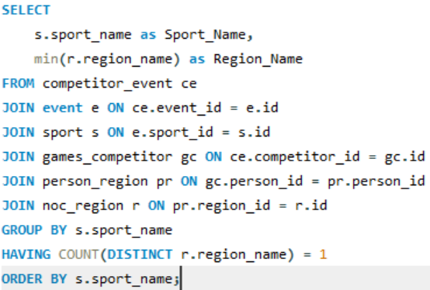
SQL Query: | Sport_Name | Region_Name
 | 'Cricket' | 'UK'
 | 'Jeu De Paume' | 'UK'
 | 'Motorboating' | 'UK'
 | 'Racquets' | 'UK'

 | Yes — sports such as Cricket, Jeu De Paume, Racquets, and Motorboating have only been played by athletes from the UK, suggesting strong regional or cultural ties.

Q7
Q7: Are there any sports that have a higher number of events for one gender compared to others?


SQL Query: | Sport_name | gender | Total_Events | This bar chart compares the total number of events for male (M) and female (F) athletes in each Olympic sport. The pink bars represent female events, and the blue bars represent male events, giving a visual cue to detect disparities in gender representation across various disciplines. Male-Dominated Sports: Shooting, Athletics, Sailing Female-Dominated Sports: Art-Competitions, Swimming, Cross-country Skiing
 | Aeronautics | M | 1
 | Alpine Skiing | F | 5
 | Alpine Skiing | M | 5
 | Alpinism | F | 1
 | Alpinism | M | 1
 | Archery | M | 20
 | Archery | F | 5
 | Art Competitions | M | 29
 | Art Competitions | F | 23
 | Athletics | M | 56
 | Athletics | F | 27
Total Events by Gender
 | F | M
Aeronautics |  | 1
Alpine Skiing | 5 | 5
Alpinism | 1 | 1
Archery | 5 | 20
Art Competitions | 23 | 29
Athletics | 27 | 56
Badminton | 3 | 3
Baseball |  | 1
Basketball | 1 | 1
Basque Pelota |  | 1
Beach Volleyball | 1 | 1
Biathlon | 8 | 6
Bobsleigh | 1 | 3
Boxing | 3 | 12
Canoeing | 5 | 22
Cricket |  | 1
Croquet | 2 | 3
Cross Country Skiing | 12 | 11
Curling | 1 | 1
Cycling | 12 | 32
Diving | 5 | 5
Equestrianism | 6 | 18
Fencing | 6 | 12
Figure Skating | 4 | 5
Football | 1 | 1
Freestyle Skiing | 5 | 5
Golf | 1 | 2
Gymnastics | 7 | 20
Handball | 1 | 1
Hockey | 1 | 1
Ice Hockey | 1 | 1
Jeu De Paume |  | 1
Judo | 7 | 8
Lacrosse |  | 1
Luge | 2 | 3
Military Ski Patrol |  | 1
Modern Pentathlon | 1 | 2
Motorboating | 1 | 3
Nordic Combined |  | 5
Polo |  | 1
Racquets |  | 2
Rhythmic Gymnastics | 2
Roque |  | 1
Rowing | 9 | 14
Rugby |  | 1
Rugby Sevens | 1 | 1
Sailing | 16 | 32
Shooting | 12 | 76
Short Track Speed Skating | 4 | 4
Skeleton | 1 | 1
...
 | Badminton | F | 3
 | Badminton | M | 3
 | Baseball | M | 1
 | Basketball | F | 1
 | Basketball | M | 1
 | Basque Pelota | M | 1
 | Beach Volleyball | F | 1
 | Beach Volleyball | M | 1
 | Biathlon | F | 8
 | Biathlon | M | 6
 | Bobsleigh | M | 3
 | Bobsleigh | F | 1
 | Boxing | M | 12
 | Boxing | F | 3
 | Canoeing | M | 22
 | Canoeing | F | 5
 | Cricket | M | 1
 | Croquet | M | 3
 | Croquet | F | 2
 | Cross Country Skiing | F | 12
 | Cross Country Skiing | M | 11
 | Curling | F | 1
 | Curling | M | 1
 | Cycling | M | 32
 | Cycling | F | 12
 | Diving | F | 5
 | Diving | M | 5
 | Equestrianism | M | 18
 | Equestrianism | F | 6
 | Fencing | M | 12
 | Fencing | F | 6
 | Figure Skating | M | 5
 | Figure Skating | F | 4
 | Football | F | 1
 | Football | M | 1
 | Freestyle Skiing | F | 5
 | Freestyle Skiing | M | 5
 | Golf | M | 2
 | Golf | F | 1
 | Gymnastics | M | 20
 | Gymnastics | F | 7
 | Handball | F | 1
 | Handball | M | 1
 | Hockey | F | 1
 | Hockey | M | 1
 | Ice Hockey | F | 1
 | Ice Hockey | M | 1
 | Jeu De Paume | M | 1
 | Judo | M | 8
 | Judo | F | 7
 | Lacrosse | M | 1
 | Luge | M | 3
 | Luge | F | 2
 | Military Ski Patrol | M | 1
 | Modern Pentathlon | M | 2
 | Modern Pentathlon | F | 1
 | Motorboating | M | 3
 | Motorboating | F | 1
 | Nordic Combined | M | 5
 | Polo | M | 1
 | Racquets | M | 2
 | Rhythmic Gymnastics | F | 2
 | Roque | M | 1
 | Rowing | M | 14
 | Rowing | F | 9
 | Rugby | M | 1
 | Rugby Sevens | F | 1
 | Rugby Sevens | M | 1
 | Sailing | M | 32
 | Sailing | F | 16
 | Shooting | M | 76
 | Shooting | F | 12
 | Short Track Speed Skating | F | 4
 | Short Track Speed Skating | M | 4
 | Skeleton | F | 1
 | Skeleton | M | 1
 | Ski Jumping | M | 3
 | Ski Jumping | F | 1
 | Snowboarding | F | 6
 | Snowboarding | M | 6
 | Softball | F | 1
 | Speed Skating | M | 7
 | Speed Skating | F | 6
 | Swimming | M | 36
 | Swimming | F | 18
 | Synchronized Swimming | F | 3
 | Table Tennis | F | 3
 | Table Tennis | M | 3
 | Taekwondo | F | 4
 | Taekwondo | M | 4
 | Tennis | M | 6
 | Tennis | F | 5
 | Trampolining | F | 1
 | Trampolining | M | 1
 | Triathlon | F | 1
 | Triathlon | M | 1
 | Tug-Of-War | M | 1
 | Volleyball | F | 1
 | Volleyball | M | 1
 | Water Polo | F | 1
 | Water Polo | M | 1
 | Weightlifting | M | 14
 | Weightlifting | F | 7
 | Wrestling | M | 24
 | Wrestling | F | 6

Q8
Q8: Are there any new events that have been introduced in recent editions of the Olympics?

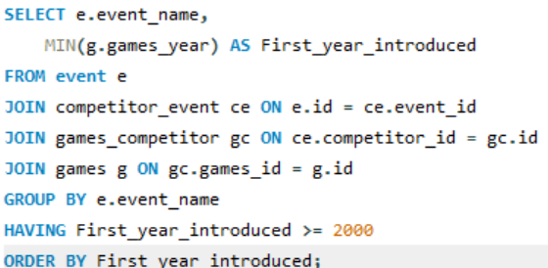
SQL Query: | event_name | First_year_introduced | This horizontal bar chart showcases the timeline of new Olympic events introduced since the 2000. The Olympics has adopted a strategic way to adapt over time—adding gender-diverse, fast-paced, and globally popular events. The growing focus on women’s participation, the introduction of new team events, and the rise of high-energy sports highlights the Games’ commitment to inclusion, variety, and modernization.
 | Cycling Women's 500 metres Time Trial | 2000
 | Taekwondo Women's Flyweight | 2000
 | Weightlifting Women's Super-Heavyweight | 2000
 | Water Polo Women's Water Polo | 2000
 | Triathlon Men's Olympic Distance | 2000
 | Athletics Women's Hammer Throw | 2000
 | Taekwondo Women's Heavyweight | 2000
 | Weightlifting Women's Light-Heavyweight | 2000
 | Athletics Women's 20 kilometres Walk | 2000
 | Athletics Women's Pole Vault | 2000
 | Sailing Mixed Skiff | 2000
 | Triathlon Women's Olympic Distance | 2000
 | Taekwondo Women's Featherweight | 2000
 | Cycling Men's Team Sprint | 2000
 | Modern Pentathlon Women's Individual | 2000
New events introduced in recent Years
 | Diving Women's Synchronized Springboard | 2000
 | Trampolining Men's Individual | 2000
 | Weightlifting Women's Heavyweight | 2000
 | Diving Men's Synchronized Platform | 2000
 | Taekwondo Men's Flyweight | 2000
 | Taekwondo Men's Heavyweight | 2000
 | Weightlifting Women's Lightweight | 2000
 | Shooting Women's Skeet | 2000
 | Weightlifting Women's Featherweight | 2000
 | Taekwondo Men's Welterweight | 2000
 | Cycling Men's Keirin | 2000
 | Weightlifting Women's Middleweight | 2000
 | Shooting Women's Trap | 2000
 | Taekwondo Women's Welterweight | 2000
 | Diving Women's Synchronized Platform | 2000
 | Diving Men's Synchronized Springboard | 2000
 | Trampolining Women's Individual | 2000
 | Cycling Men's Madison | 2000
 | Taekwondo Men's Featherweight | 2000
 | Weightlifting Women's Flyweight | 2000
 | Biathlon Men's 12.5 kilometres Pursuit | 2002
 | Cross Country Skiing Women's Sprint | 2002
 | Short Track Speed Skating Women's 1,500 metres | 2002
 | Cross Country Skiing Men's 10/10 kilometres Pursuit | 2002
 | Cross Country Skiing Women's 5/5 kilometres Pursuit | 2002
 | Biathlon Women's 10 kilometres Pursuit | 2002
 | Cross Country Skiing Men's Sprint | 2002
 | Snowboarding Women's Parallel Giant Slalom | 2002
 | Bobsleigh Women's Two | 2002
 | Skeleton Women's Skeleton | 2002
 | Short Track Speed Skating Men's 1,500 metres | 2002
 | Nordic Combined Men's Sprint | 2002
 | Snowboarding Men's Parallel Giant Slalom | 2002
 | Sailing Women's Three Person Keelboat | 2004
 | Wrestling Women's Middleweight, Freestyle | 2004
 | Fencing Women's Sabre, Individual | 2004
 | Wrestling Women's Lightweight, Freestyle | 2004
 | Wrestling Women's Flyweight, Freestyle | 2004
 | Sailing Men's Two Person Keelboat | 2004
 | Wrestling Women's Heavyweight, Freestyle | 2004
 | Snowboarding Women's Boardercross | 2006
 | Speed Skating Men's Team Pursuit (8 laps) | 2006
 | Biathlon Women's 12.5 kilometres Mass Start | 2006
 | Cross Country Skiing Women's Team Sprint | 2006
 | Biathlon Women's 4 x 6 kilometres Relay | 2006
 | Cross Country Skiing Men's 30 km Skiathlon | 2006
 | Cross Country Skiing Women's 15 km Skiathlon | 2006
 | Speed Skating Women's Team Pursuit (6 laps) | 2006
 | Biathlon Men's 15 kilometres Mass Start | 2006
 | Snowboarding Men's Boardercross | 2006
 | Cross Country Skiing Men's Team Sprint | 2006
 | Athletics Women's 3,000 metres Steeplechase | 2008
 | Swimming Men's 10 kilometres Open Water | 2008
 | Cycling Men's BMX | 2008
 | Table Tennis Men's Team | 2008
 | Cycling Women's BMX | 2008
 | Fencing Women's Sabre, Team | 2008
 | Table Tennis Women's Team | 2008
 | Swimming Women's 10 kilometres Open Water | 2008
 | Nordic Combined Men's Normal Hill / 10 km, Individual | 2010
 | Freestyle Skiing Men's Ski Cross | 2010
 | Nordic Combined Men's Large Hill / 10 km, Individual | 2010
 | Freestyle Skiing Women's Ski Cross | 2010
 | Sailing Men's One Person Heavyweight Dinghy | 2012
 | Boxing Women's Lightweight | 2012
 | Cycling Women's Team Pursuit | 2012
 | Canoeing Men's Kayak Doubles, 200 metres | 2012
 | Sailing Men's Skiff | 2012
 | Canoeing Men's Kayak Singles, 200 metres | 2012
 | Canoeing Women's Kayak Singles, 200 metres | 2012
 | Cycling Women's Keirin | 2012
 | Boxing Women's Middleweight | 2012
 | Canoeing Men's Canadian Singles, 200 metres | 2012
 | Cycling Women's Team Sprint | 2012
 | Cycling Men's Omnium | 2012
 | Boxing Women's Flyweight | 2012
 | Cycling Women's Omnium | 2012
 | Luge Mixed Team Relay | 2014
 | Figure Skating Mixed Team | 2014
 | Ski Jumping Women's Normal Hill, Individual | 2014
 | Snowboarding Women's Slopestyle | 2014
 | Snowboarding Men's Parallel Slalom | 2014
 | Snowboarding Men's Slopestyle | 2014
 | Freestyle Skiing Men's Slopestyle | 2014
 | Biathlon Mixed 2 x 6 kilometres and 2 x 7.5 kilometres Relay | 2014
 | Freestyle Skiing Women's Halfpipe | 2014
 | Freestyle Skiing Women's Slopestyle | 2014
 | Snowboarding Women's Parallel Slalom | 2014
 | Freestyle Skiing Men's Halfpipe | 2014
 | Rugby Sevens Men's Rugby Sevens | 2016
 | Rugby Sevens Women's Rugby Sevens | 2016
 | Sailing Women's Skiff | 2016
 | Wrestling Women's Featherweight, Freestyle | 2016
 | Wrestling Women's Light-Heavyweight, Freestyle | 2016

Q9
Q9:Are there any events that have been discontinued or removed from the Olympics?

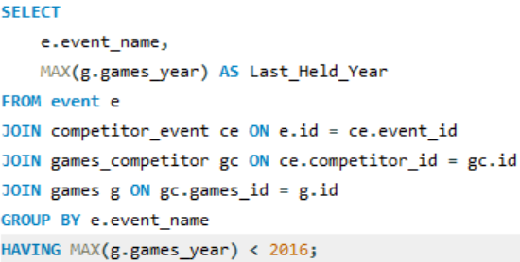
SQL Query: | event_name | Last_Held_Year | This line graph exhibits the number of Olympic events that were last held. Highest spike was in 1900 (39 events). A few events were discontinued after WWII and into the 1960s, possibly due to global restructuring of sports policies and geopolitical changes. Sudden surge in 2020 (98 discontinued events) marks a significant reshaping of the Olympic program. This may be due to pandemic-related disruptions.
 | Tug-Of-War Men's Tug-Of-War | 1920
 | Speed Skating Women's 500 metres | 2014
 | Speed Skating Women's 1,000 metres | 2014
 | Cross Country Skiing Men's 10 kilometres | 1998
 | Cross Country Skiing Men's 50 kilometres | 2014
 | Cross Country Skiing Men's 10/15 kilometres Pursuit | 1998
 | Cross Country Skiing Men's 4 x 10 kilometres Relay | 2014
 | Cross Country Skiing Men's 30 kilometres | 2002
 | Ice Hockey Men's Ice Hockey | 2014
 | Biathlon Women's 7.5 kilometres Sprint | 2014
 | Swimming Men's 400 metres Breaststroke | 1920
 | Alpine Skiing Men's Super G | 2014
 | Alpine Skiing Men's Downhill | 2014
 | Bobsleigh Men's Four | 2014
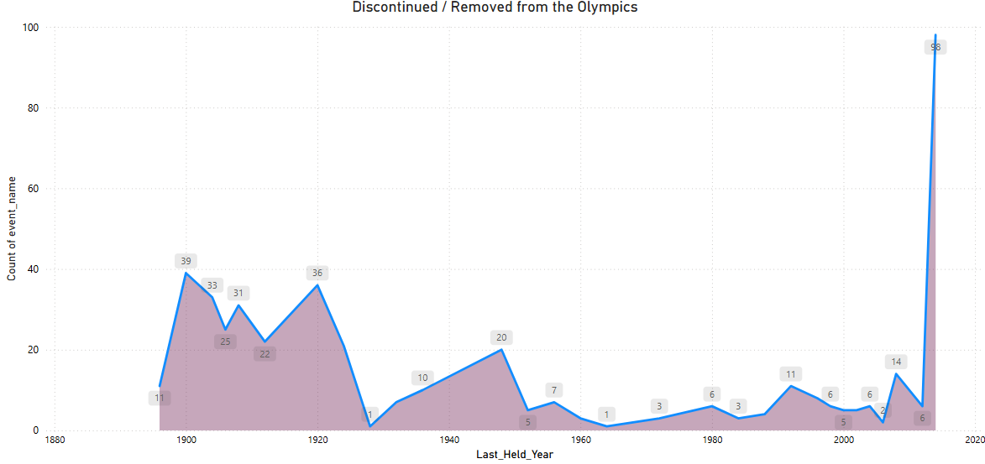
 | Boxing Men's Featherweight | 2008
 | Speed Skating Men's 1,500 metres | 2014
 | Cycling Women's 500 metres Time Trial | 2004
 | Alpine Skiing Men's Slalom | 2014
 | Luge Women's Singles | 2014
 | Speed Skating Men's 500 metres | 2014
 | Alpine Skiing Men's Giant Slalom | 2014
 | Canoeing Men's Canadian Doubles, 500 metres | 2008
 | Speed Skating Men's 10,000 metres | 2014
 | Sailing Mixed Two Person Heavyweight Dinghy | 1992
 | Alpine Skiing Men's Combined | 2014
 | Art Competitions Mixed Sculpturing, Unknown Event | 1948
 | Sailing Mixed Three Person Keelboat | 2000
 | Cross Country Skiing Men's 15 kilometres | 2014
 | Shooting Mixed Trap | 1992
 | Cycling Men's Road Race, Team | 1956
 | Speed Skating Men's 5,000 metres | 2014
 | Sailing Mixed 8 metres | 1936
 | Shooting Mixed Skeet | 1992
 | Gymnastics Men's Team All-Around, Free System | 1920
 | Rowing Men's Coxed Fours | 1992
 | Wrestling Men's Light-Flyweight, Freestyle | 1996
 | Boxing Men's Light-Middleweight | 2000
 | Weightlifting Men's Flyweight | 1996
 | Judo Men's Open Class | 1984
 | Fencing Women's Foil, Team | 2012
 | Cycling Men's 1,000 metres Time Trial | 2004
 | Table Tennis Men's Doubles | 2004
 | Rowing Women's Coxed Fours | 1988
 | Sailing Mixed Windsurfer | 1988
 | Fencing Men's Sabre, Team | 2012
 | Sailing Mixed One Person Dinghy | 2008
 | Alpine Skiing Women's Giant Slalom | 2014
 | Snowboarding Women's Boardercross | 2014
 | Biathlon Men's 10 kilometres Sprint | 2014
 | Figure Skating Mixed Pairs | 2014
 | Ski Jumping Men's Normal Hill, Individual | 2014
 | Biathlon Men's 12.5 kilometres Pursuit | 2014
 | Biathlon Men's 20 kilometres | 2014
 | Ski Jumping Men's Large Hill, Individual | 2014
 | Alpine Skiing Women's Super G | 2014
 | Short Track Speed Skating Women's 500 metres | 2014
 | Figure Skating Mixed Ice Dancing | 2014
 | Speed Skating Men's Team Pursuit (8 laps) | 2014
 | Luge Men's Singles | 2014
 | Short Track Speed Skating Men's 500 metres | 2014
 | Alpine Skiing Women's Slalom | 2014
 | Biathlon Women's 12.5 kilometres Mass Start | 2014
 | Cross Country Skiing Women's Team Sprint | 2014
 | Cross Country Skiing Women's 30 kilometres | 2014
 | Cross Country Skiing Women's Sprint | 2014
 | Speed Skating Men's 1,000 metres | 2014
 | Luge Mixed (Men)'s Doubles | 2014
 | Short Track Speed Skating Women's 1,500 metres | 2014
 | Cross Country Skiing Women's 10 kilometres | 2014
 | Sailing Women's Three Person Keelboat | 2012
 | Sailing Mixed Skiff | 2008
 | Baseball Men's Baseball | 2008
 | Softball Women's Softball | 2008
 | Canoeing Men's Kayak Doubles, 500 metres | 2008
 | Cycling Women's Points Race | 2008
 | Wrestling Men's Light-Flyweight, Greco-Roman | 1996
 | Wrestling Men's Lightweight, Greco-Roman | 2012
 | Weightlifting Men's Heavyweight I | 1996
 | Table Tennis Women's Doubles | 2004
 | Shooting Men's Free Rifle, Three Positions, 300 metres, Team | 1920
 | Swimming Men's 4,000 metres Freestyle | 1900
 | Weightlifting Men's Heavyweight II | 1996
 | Sailing Mixed Open | 1900
 | Shooting Men's Free Rifle, Kneeling, 300 metres | 1900
 | Athletics Men's 200 metres Hurdles | 1904
 | Bobsleigh Men's Two | 2014
 | Biathlon Men's 4 x 7.5 kilometres Relay | 2014
 | Figure Skating Men's Singles | 2014
 | Cross Country Skiing Men's 10/10 kilometres Pursuit | 2002
 | Skeleton Men's Skeleton | 2014
 | Alpine Skiing Women's Downhill | 2014
 | Freestyle Skiing Women's Aerials | 2014
 | Ice Hockey Women's Ice Hockey | 2014
 | Biathlon Women's 4 x 7.5 kilometres Relay | 2002
 | Cross Country Skiing Women's 5/5 kilometres Pursuit | 2002
 | Speed Skating Women's 1,500 metres | 2014
 | Cross Country Skiing Women's 3 x 5 kilometres Relay | 1972
 | Sailing Mixed Two Person Keelboat | 2000
 | Canoeing Men's Kayak Singles, 500 metres | 2008
 | Cycling Men's Individual Pursuit, 4,000 metres | 2008
 | Art Competitions Mixed Sculpturing, Statues | 1948
 | Gymnastics Men's Individual All-Around, Apparatus Work | 1904
 | Shooting Men's Free Rifle, Three Positions, 300 metres | 1964
 | Swimming Men's 880 yard Freestyle | 1904
 | Athletics Men's 2,590 metres Steeplechase | 1904
 | Golf Men's Team | 1904
 | Athletics Women's 80 metres Hurdles | 1968
 | Archery Men's Double York Round | 1908
 | Athletics Men's 4 mile, Team | 1904
 | Short Track Speed Skating Women's 3,000 metres Relay | 2014
 | Cross Country Skiing Women's 15 kilometres | 2002
 | Alpine Skiing Women's Combined | 2014
 | Cross Country Skiing Women's 5/10 kilometres Pursuit | 1998
 | Biathlon Women's 15 kilometres | 2014
 | Art Competitions Mixed Painting, Unknown Event | 1948
 | Art Competitions Mixed Architecture, Unknown Event | 1948
 | Ski Jumping Men's Large Hill, Team | 2014
 | Alpinism Mixed Alpinism | 1936
 | Freestyle Skiing Men's Aerials | 2014
 | Snowboarding Men's Giant Slalom | 1998
 | Nordic Combined Men's Individual | 2006
 | Figure Skating Women's Singles | 2014
 | Nordic Combined Men's Team | 2014
 | Cross Country Skiing Women's 5 kilometres | 1998
 | Short Track Speed Skating Men's 5,000 metres Relay | 2014
 | Snowboarding Men's Halfpipe | 2014
 | Wrestling Men's Bantamweight, Greco-Roman | 2000
 | Shooting Mixed Small-Bore Rifle, Three Positions, 50 metres | 1980
 | Gymnastics Women's Team Portable Apparatus | 1956
 | Rowing Men's Coxed Pairs | 1992
 | Cycling Men's 100 kilometres Team Time Trial | 1992
 | Sailing Mixed 6 metres | 1952
 | Cycling Men's Tandem Sprint, 2,000 metres | 1972
 | Shooting Mixed Free Pistol, 50 metres | 1980
 | Shooting Mixed Small-Bore Rifle, Prone, 50 metres | 1980
 | Cross Country Skiing Women's 4 x 5 kilometres Relay | 2014
 | Luge Mixed Team Relay | 2014
 | Biathlon Women's 10 kilometres Pursuit | 2014
 | Cross Country Skiing Men's Sprint | 2014
 | Freestyle Skiing Men's Moguls | 2014
 | Short Track Speed Skating Men's 1,000 metres | 2014
 | Biathlon Women's 4 x 6 kilometres Relay | 2014
 | Figure Skating Mixed Team | 2014
 | Bobsleigh Men's Four/Five | 1928
 | Shooting Men's Military Rifle, 200, 400, 500 and 600 metres, Team | 1912
 | Athletics Men's Cross-Country, Individual | 1924
 | Wrestling Men's Middleweight A, Greco-Roman | 1912
 | Athletics Men's Cross-Country, Team | 1924
 | Equestrianism Men's Jumping, Individual | 1952
 | Modern Pentathlon Men's Team | 1992
 | Equestrianism Men's Three-Day Event, Team | 1960
 | Cross Country Skiing Men's 18 kilometres | 1952
 | Wrestling Men's Bantamweight, Freestyle | 2000
 | Rowing Women's Coxless Fours | 1992
 | Equestrianism Men's Dressage, Team | 1948
 | Art Competitions Mixed Architecture, Architectural Designs | 1948
 | Art Competitions Mixed Painting, Paintings | 1948
 | Art Competitions Mixed Architecture, Designs For Town Planning | 1948
 | Shooting Mixed Rapid-Fire Pistol, 25 metres | 1980
 | Canoeing Men's Folding Kayak Singles, 10 kilometres | 1936
 | Polo Men's Polo | 1936
 | Equestrianism Men's Three-Day Event, Individual | 1960
 | Speed Skating Women's 5,000 metres | 2014
 | Snowboarding Women's Parallel Giant Slalom | 2014
 | Athletics Men's Pentathlon | 1924
 | Shooting Men's Free Rifle, 400, 600 and 800 metres, Team | 1924
 | Cross Country Skiing Men's 30 km Skiathlon | 2014
 | Cycling Men's 50 kilometres | 1924
 | Bobsleigh Women's Two | 2014
 | Nordic Combined Men's Normal Hill / 10 km, Individual | 2014
 | Equestrianism Men's Dressage, Individual | 1948
 | Curling Women's Curling | 2014
 | Cross Country Skiing Women's 15 km Skiathlon | 2014
 | Shooting Men's Running Target, Double Shot | 1924
 | Diving Men's Plain High | 1924
 | Shooting Men's Free Rifle, Prone, 600 metres | 1924
 | Art Competitions Mixed Painting | 1924
 | Synchronized Swimming Women's Solo | 1992
 | Cycling Men's 100 kilometres | 1908
 | Sailing Mixed 12 metres | 1920
 | Rowing Women's Coxed Quadruple Sculls | 1984
 | Athletics Men's 3,500 metres Walk | 1908
 | Athletics Men's 3 mile, Team | 1908
 | Athletics Men's Discus Throw, Greek Style | 1908
 | Jeu De Paume Men's Singles | 1908
 | Lacrosse Men's Lacrosse | 1908
 | Rugby Men's Rugby | 1924
 | Shooting Men's Military Rifle, 200/500/600/800/900/1,000 Yards, Team | 1908
 | Cycling Men's 5,000 metres | 1908
 | Archery Men's Target Archery, 33 metres, Team | 1920
 | Shooting Men's Free Rifle, Any Position, 300 metres | 1906
 | Shooting Men's Military Revolver, 1873-1874 Gras Model, 20 metres | 1906
 | Athletics Men's Standing Long Jump | 1912
 | Shooting Men's Trap, Team | 1924
 | Shooting Men's Running Target, Single Shot, Team | 1924
 | Shooting Men's Free Pistol, 50 metres, Team | 1920
 | Shooting Men's Small Bore-Rifle, Standing, 50 metres, Team | 1920
 | Swimming Women's 300 metres Freestyle | 1920
 | Shooting Men's Small-Bore Rifle, Standing, 50 metres | 1920
 | Shooting Men's Military Rifle, Standing, 300 metres, Team | 1920
 | Sailing Mixed 5.5 metres | 1968
 | Wrestling Men's Lightweight, Freestyle | 2012
 | Speed Skating Women's 3,000 metres | 2014
 | Wrestling Men's Flyweight, Freestyle | 1996
 | Sailing Mixed Two Person Dinghy | 1984
 | Athletics Women's 3,000 metres | 1992
 | Curling Men's Curling | 2014
 | Speed Skating Women's Team Pursuit (6 laps) | 2014
 | Short Track Speed Skating Women's 1,000 metres | 2014
 | Sailing Men's Two Person Keelboat | 2012
 | Cycling Women's Individual Pursuit, 3,000 metres | 2008
 | Athletics Men's 2,500 metres Steeplechase | 1900
 | Sailing Mixed 1-2 Ton | 1900
 | Athletics Men's 60 metres | 1904
 | Skeleton Women's Skeleton | 2014
 | Short Track Speed Skating Men's 1,500 metres | 2014
 | Canoeing Men's Kayak Singles, 10,000 metres | 1956
 | Canoeing Men's Canadian Singles, 10,000 metres | 1956
 | Art Competitions Mixed Painting, Applied Arts | 1948
 | Art Competitions Mixed Sculpturing, Medals And Plaques | 1948
 | Biathlon Women's 3 x 7.5 kilometres Relay | 1992
 | Freestyle Skiing Women's Moguls | 2014
 | Cross Country Skiing Women's 20 kilometres | 1988
 | Shooting Mixed Free Rifle, Three Positions, 300 metres | 1972
 | Biathlon Men's 15 kilometres Mass Start | 2014
 | Freestyle Skiing Men's Ski Cross | 2014
 | Ski Jumping Women's Normal Hill, Individual | 2014
 | Snowboarding Women's Slopestyle | 2014
 | Snowboarding Men's Parallel Slalom | 2014
 | Snowboarding Men's Boardercross | 2014
 | Shooting Men's Military Rifle, Three Positions, 300 metres | 1912
 | Sailing Mixed 10 metres | 1920
 | Rowing Men's Coxed Fours, Inriggers | 1912
 | Shooting Men's Dueling Pistol, 30 metres, Team | 1912
 | Gymnastics Men's Team All-Around, Swedish System | 1920
 | Rowing Men's Coxed Fours, Outriggers | 1912
 | Equestrianism Men's Jumping, Team | 1952
 | Canoeing Men's Kayak Relay 4 x 500 metres | 1960
 | Athletics Women's 10 kilometres Walk | 1996
 | Art Competitions Mixed Painting, Drawings And Water Colors | 1936
 | Art Competitions Mixed Literature, Lyric Works | 1948
 | Nordic Combined Men's Large Hill / 10 km, Individual | 2014
 | Art Competitions Mixed Architecture | 1924
 | Snowboarding Women's Halfpipe | 2014
 | Gymnastics Men's Side Horse | 1924
 | Cross Country Skiing Men's Team Sprint | 2014
 | Athletics Men's 3,000 metres, Team | 1924
 | Shooting Men's Running Target, Single Shot | 1924
 | Cycling Men's 20 kilometres | 1908
 | Weightlifting Men's Unlimited, Two Hands | 1906
 | Athletics Men's Javelin Throw, Freestyle | 1908
 | Weightlifting Men's Unlimited, One Hand | 1906
 | Shooting Men's Dueling Pistol Au Commandement, 25 metres | 1906
 | Shooting Men's Military Rifle, 1873-1874 Gras Model, Kneeling Or Standing, 200 metres | 1906
 | Shooting Men's Free Rifle, 1,000 Yards | 1908
 | Art Competitions Mixed Literature | 1932
 | Shooting Men's Military Rifle, 300 metres and 600 metres, Prone, Team | 1920
 | Shooting Men's Military Rifle, Prone, 300 metres | 1920
 | Shooting Men's Running Target, Double Shot, Team | 1924
 | Shooting Men's Military Rifle, Prone, 600 metres | 1920
 | Canoeing Men's Canadian Singles, 500 metres | 2008
 | Athletics Women's Pentathlon | 1980
 | Shooting Mixed Running Target, 50 metres | 1980
 | Cycling Men's 25 kilometres | 1900
 | Swimming Men's 1,000 metres Freestyle | 1900
 | Sailing Mixed 3-10 Ton | 1900
 | Archery Men's Au Chapelet, 50 metres | 1900
 | Sailing Mixed 0-0.5 Ton | 1900
 | Athletics Men's 4,000 metres Steeplechase | 1900
 | Cycling Men's Points Race | 2008
 | Shooting Women's Double Trap | 2004
 | Cycling Men's 1/2 mile | 1904
 | Art Competitions Mixed Sculpturing, Reliefs | 1948
 | Athletics Men's 10 kilometres Walk | 1952
 | Snowboarding Men's Slopestyle | 2014
 | Shooting Men's Dueling Pistol, 30 metres | 1912
 | Shooting Men's Small-Bore Rifle, Any Position, 50 metres | 1912
 | Speed Skating Men's Allround | 1924
 | Art Competitions Mixed Sculpturing, Medals And Reliefs | 1932
 | Art Competitions Mixed Music, Compositions For Orchestra | 1948
 | Canoeing Men's Folding Kayak Doubles, 10 kilometres | 1936
 | Gymnastics Men's Rope Climbing | 1932
 | Archery Women's Double National Round | 1908
 | Athletics Men's 1,600 metres Medley Relay | 1908
 | Shooting Men's Free Pistol, 50 yards | 1908
 | Shooting Men's Small-Bore Rifle, Moving Target, 25 yards | 1908
 | Rowing Men's Coxed Pairs (1 mile) | 1906
 | Archery Men's Target Archery, 50 metres, Team | 1920
 | Shooting Men's Military Rifle, Standing, 300 metres | 1920
 | Diving Women's Plain High | 1924
 | Shooting Men's Military Rifle, Prone, 300 metres, Team | 1920
 | Gymnastics Men's Parallel Bars, Teams | 1896
 | Cricket Men's Cricket | 1900
 | Fencing Men's Foil, Masters, Individual | 1900
 | Shooting Men's Free Rifle, Prone, 300 metres | 1900
 | Equestrianism Mixed Hacks And Hunter Combined | 1900
 | Nordic Combined Men's Sprint | 2006
 | Snowboarding Men's Parallel Giant Slalom | 2014
 | Swimming Men's 4 x 50 Yard Freestyle Relay | 1904
 | Archery Women's Team Round | 1904
 | Art Competitions Mixed Unknown Event | 1932
 | Canoeing Men's Kayak Doubles, 10,000 metres | 1956
 | Canoeing Men's Canadian Doubles, 10,000 metres | 1956
 | Freestyle Skiing Men's Slopestyle | 2014
 | Shooting Men's Running Target, 10 metres | 2004
 | Motorboating Mixed A-Class (Open) | 1908
 | Archery Men's Continental Style | 1908
 | Motorboating Mixed C-Class | 1908
 | Athletics Men's Pentathlon (Ancient) | 1906
 | Shooting Men's Military Pistol, 30 metres | 1920
 | Wrestling Men's Flyweight, Greco-Roman | 1996
 | Archery Men's Au Cordon Dore, 50 metres | 1900
 | Cycling Men's Madison | 2008
 | Art Competitions Mixed Literature, Dramatic Works | 1948
 | Gymnastics Men's Individual All-Around, Field Sports | 1904
 | Art Competitions Mixed Painting, Graphic Arts | 1948
 | Shooting Men's Running Target, Single And Double Shot | 1956
 | Biathlon Mixed 2 x 6 kilometres and 2 x 7.5 kilometres Relay | 2014
 | Freestyle Skiing Women's Halfpipe | 2014
 | Freestyle Skiing Women's Slopestyle | 2014
 | Freestyle Skiing Women's Ski Cross | 2014
 | Tennis Men's Singles, Covered Courts | 1912
 | Art Competitions Mixed Sculpturing, Medals | 1936
 | Art Competitions Mixed Sculpturing | 1924
 | Athletics Men's Standing High Jump | 1912
 | Athletics Men's Stone Throw | 1906
 | Sailing Mixed 6.5 metres | 1920
 | Shooting Men's Military Pistol, Team | 1920
 | Sailing Mixed 0.5-1 Ton | 1900
 | Croquet Mixed Singles, One Ball | 1900
 | Archery Men's Team Round | 1904
 | Archery Men's Double American Round | 1904
 | Shooting Men's Military Rifle, Any Position, 600 metres | 1912
 | Tennis Women's Singles, Covered Courts | 1912
 | Athletics Men's 5 mile | 1908
 | Athletics Men's 3,200 metres Steeplechase | 1908
 | Gymnastics Men's Individual All-Around, 5 Events | 1906
 | Shooting Men's Free Pistol, 25 metres | 1906
 | Swimming Men's One Mile Freestyle | 1906
 | Swimming Men's 4 x 250 metres Freestyle Relay | 1906
 | Equestrianism Men's Vaulting, Individual | 1920
 | Athletics Men's 56-pound Weight Throw | 1920
 | Fencing Men's epee, Masters and Amateurs, Individual | 1900
 | Croquet Mixed Singles, Two Balls | 1900
 | Athletics Men's Standing Triple Jump | 1904
 | Shooting Men's Free Rifle, Standing, 300 metres | 1900
 | Cycling Men's 5 mile | 1904
 | Athletics Men's Javelin Throw, Both Hands | 1912
 | Wrestling Men's Middleweight B, Greco-Roman | 1912
 | Military Ski Patrol Men's Military Ski Patrol | 1924
 | Cycling Men's Team Pursuit, 1,980 yards | 1908
 | Tennis Men's Doubles, Covered Courts | 1912
 | Shooting Men's Small-Bore Rifle, Disappearing Target, 25 yards | 1908
 | Shooting Men's Military Rifle, Kneeling Or Standing, 300 metres | 1906
 | Athletics Men's 3,000 metres Walk | 1920
 | Athletics Men's 5,000 metres, Team | 1900
 | Cycling Men's 2 mile | 1904
 | Swimming Men's 220 yard Freestyle | 1904
 | Art Competitions Mixed Music, Vocals | 1948
 | Snowboarding Women's Parallel Slalom | 2014
 | Tennis Mixed Doubles, Covered Courts | 1912
 | Art Competitions Mixed Literature, Unknown Event | 1948
 | Shooting Men's Running Target, 50 metres | 1988
 | Athletics Men's 10 mile Walk | 1908
 | Shooting Men's Small-Bore Rifle, 50 and 100 yards, Team | 1908
 | Shooting Men's Military Rifle, Prone, 600 metres, Team | 1920
 | Archery Men's Target Archery, 28 metres, Team | 1920
 | Art Competitions Mixed Literature, Epic Works | 1948
 | Swimming Men's 100 yard Freestyle | 1904
 | Art Competitions Mixed Music | 1932
 | Art Competitions Mixed Music, Unknown Event | 1936
 | Racquets Men's Singles | 1908
 | Shooting Men's Dueling Pistol Au Vise 20 metres | 1906
 | Sailing Mixed 2-3 Ton | 1900
 | Cycling Men's 25 mile | 1904
 | Shooting Men's Military Revolver, 20 metres | 1906
 | Equestrianism Mixed Four-In-Hand Competition | 1900
 | Cycling Men's 1 mile | 1904
 | Snowboarding Women's Giant Slalom | 1998
 | Freestyle Skiing Men's Halfpipe | 2014
 | Shooting Men's Small-Bore Rifle, Prone, 50 metres, Team | 1912
 | Rowing Men's Coxed Pairs (1 kilometres) | 1906
 | Shooting Men's Free Pistol, 50 yards, Team | 1908
 | Equestrianism Men's Vaulting, Team | 1920
 | Archery Women's Double Columbia Round | 1904
 | Gymnastics Men's Club Swinging | 1932
 | Athletics Men's Discus Throw, Both Hands | 1912
 | Shooting Men's Trap, Double Shot, 14 metres | 1906
 | Cycling Men's 333 metres Time Trial | 1906
 | Sailing Mixed 7 metres | 1920
 | Sailing Mixed 12 foot | 1920
 | Archery Men's Unknown Event | 1900
 | Shooting Men's Small-Bore Rifle, Disappearing Target, 25 metres | 1912
 | Sailing Mixed 40 metres | 1920
 | Swimming Men's 100 Yard Backstroke | 1904
 | Shooting Men's Trap, Single Shot, 16 metres | 1906
 | Fencing Men's epee, Masters, Individual | 1906
 | Swimming Men's 200 metres Obstacle Course | 1900
 | Weightlifting Men's All-Around Dumbbell Contest | 1904
 | Shooting Men's Free Pistol, 30 metres | 1896
 | Racquets Men's Doubles | 1908
 | Fencing Men's Sabre, Individual, Three Hits | 1906
 | Cycling Men's 12-Hours Race | 1896
 | Shooting Men's Small-Bore Rifle, Prone, 50 and 100 yards | 1908
 | Fencing Men's Sabre, Masters, Individual | 1906
 | Cycling Men's 1/4 mile | 1904
 | Swimming Men's 440 Yard Breaststroke | 1904
 | Athletics Men's 1,500 metres Walk | 1906
 | Shooting Men's Small-Bore Rifle, Disappearing Target, 25 metres, Team | 1912
 | Art Competitions Mixed Music, Compositions For Solo Or Chorus | 1936
 | Swimming Men's 200 metres Team Swimming | 1900
 | Athletics Men's Shot Put, Both Hands | 1912
 | Archery Men's Au Chapelet, 33 metres | 1900
 | Fencing Men's Single Sticks, Individual | 1904
 | Archery Men's Target Archery, 33 metres, Individual | 1920
 | Sailing Mixed 30 metres | 1920
 | Archery Men's Target Archery, 28 metres, Individual | 1920
 | Equestrianism Mixed Long Jump | 1900
 | Athletics Men's All-Around Championship | 1904
 | Swimming Men's Plunge For Distance | 1904
 | Swimming Men's 50 yard Freestyle | 1904
 | Figure Skating Men's Special Figures | 1908
 | Shooting Men's Military Rifle, 200 metres | 1896
 | Archery Men's Sur La Perche a La Herse | 1900
 | Gymnastics Men's Tumbling | 1932
 | Cycling Men's 10,000 metres | 1896
 | Equestrianism Mixed High Jump | 1900
 | Motorboating Mixed B-Class (Under 60 Feet) | 1908
 | Swimming Men's 440 yard Freestyle | 1904
 | Archery Men's Sur La Perche a La Pyramide | 1900
 | Roque Men's Singles | 1904
 | Basque Pelota Men's Two-Man Teams With Cesta | 1900
 | Gymnastics Men's Horizontal Bar, Teams | 1896
 | Swimming Men's 1,200 metres Freestyle | 1896
 | Cycling Men's 1/3 mile | 1904
 | Wrestling Men's All-Around, Greco-Roman | 1906
 | Swimming Men's Underwater Swimming | 1900
 | Shooting Men's Military Pistol, 25 metres | 1896
 | Art Competitions Mixed Music, Instrumental And Chamber | 1948
 | Archery Men's Target Archery, 50 metres, Individual | 1920
 | Sailing Mixed 10-20 Ton | 1900
 | Archery Men's Au Cordon Dore, 33 metres | 1900
 | Aeronautics Mixed Aeronautics | 1936
 | Gymnastics Men's Individual All-Around, 4 Events | 1904
 | Shooting Men's Muzzle-Loading Pistol, 25 metres | 1896
 | Shooting Men's Unknown Event | 1920
 | Croquet Mixed Doubles | 1900
 | Sailing Mixed 20+ Ton | 1900
 | Archery Men's Championnat Du Monde | 1900
 | Swimming Men's 500 metres Freestyle | 1896
 | Wrestling Men's Unlimited Class, Greco-Roman | 1896

Q10
Q10: Are there any notable trends in the height and weight of participants over time?

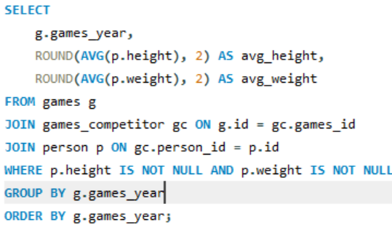
SQL Query: | Games_year | avg_height | avg_weight | This line chart demonstrates the average height and weight of Olympic participants across various Games years, from 1896 to 2016. In early years both height and weight showed irregular and relatively low values in the early years. A sharp increase in average height (from ~40 cm to over 160 cm) and weight (~15 kg to 60 kg) was observed around the 1952 Games. This increase may owe to athletic conditioning standards. Since the 1960s, these metrics have stabilized, suggesting that a balance has been reached between athlete physique and sport specialization. This reflects the maturation of the physical profiles of Olympic athletes in accordance with modern performance standards.
 | 1896 | 29.06 | 11.54
 | 1900 | 14.04 | 4.39
 | 1904 | 29.06 | 9.36
 | 1906 | 39.89 | 14.74
 | 1908 | 26.45 | 12.81
 | 1912 | 27.49 | 10.54
 | 1920 | 35.50 | 10.73
 | 1924 | 38.22 | 11.95
 | 1928 | 38.85 | 12.41
 | 1932 | 68.75 | 13.40
 | 1936 | 30.44 | 10.90
 | 1948 | 33.55 | 13.77
 | 1952 | 43.98 | 18.34
 | 1956 | 79.49 | 33.00
Trends in the height and weight of participants over time
 | 1960 | 160.32 | 64.88
 | 1964 | 162.87 | 66.58
 | 1968 | 172.73 | 70.70
 | 1972 | 172.56 | 70.39
 | 1976 | 164.71 | 67.60
 | 1980 | 167.36 | 69.00
 | 1984 | 168.88 | 68.89
 | 1988 | 167.18 | 68.68
 | 1992 | 143.40 | 59.32
 | 1994 | 165.24 | 68.53
 | 1996 | 153.45 | 63.45
 | 1998 | 171.18 | 70.99
 | 2000 | 175.29 | 71.80
 | 2002 | 173.92 | 72.12
 | 2004 | 176.50 | 72.48
 | 2006 | 174.75 | 71.92
 | 2008 | 174.84 | 71.65
 | 2010 | 175.27 | 72.00
 | 2012 | 174.43 | 70.36
 | 2014 | 174.42 | 68.70
 | 2016 | 174.07 | 70.62

Q11
Q11: Are there any dominant countries or regions in specific sports or events?

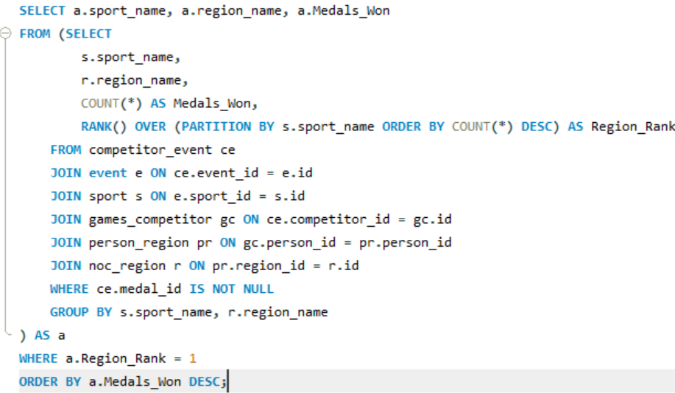
SQL Query: | sport_name | region_name | Medals_Won | This sunburst chart shows country-wise dominance in various Olympic sports, based on the medals won. United Kingdom (UK) was highly dominant in multiple sports owing to Athletics with 2,196 achievements — the largest share. Repeated UK entries across many segments indicate consistent overall dominance. Other outer segments show a broad spread of countries with smaller slices, suggesting a high level of international competitiveness in many sports. While a select few nations are at the forefront, many countries participate competitively, reflecting the worldwide and inclusive character of the Olympic Games.
 | Athletics | UK | 2196
 | Swimming | UK | 1268
 | Gymnastics | Hungary | 1213
 | Rowing | UK | 703
 | Fencing | Hungary | 607
 | Cross Country Skiing | Finland | 590
 | Cycling | UK | 568
 | Speed Skating | Netherlands | 520
 | Ice Hockey | Canada | 469
 | Alpine Skiing | Canada | 422
 | Shooting | UK | 420
 | Hockey | Netherlands | 419
 | Equestrianism | UK | 380
 | Sailing | UK | 328
 | Canoeing | Hungary | 308
 | Water Polo | Hungary | 307
 | Art Competitions | UK | 293
 | Wrestling | Finland | 274
 | Basketball | Australia | 259
 | Handball | South Korea | 228
 | Figure Skating | Canada | 227
 | Volleyball | South Korea | 215
 | Bobsleigh | UK | 206
 | Biathlon | Czech Republic | 201
 | Boxing | UK | 196
 | Diving | UK | 192
 | Tennis | UK | 187
 | Ski Jumping | Finland | 170
 | Football | Nigeria | 163
 | Short Track Speed Skating | Canada | 153
 | Archery | UK | 120
 | Judo | South Korea | 119
 | Nordic Combined | Finland | 117
 | Weightlifting | UK | 115
 | Badminton | South Korea | 112
 | Modern Pentathlon | UK | 105
 | Freestyle Skiing | Canada | 103
 | Table Tennis | South Korea | 101
 | Baseball | Netherlands | 92
 | Luge | Canada | 90
 | Snowboarding | Canada | 88
 | Synchronized Swimming | Canada | 67
 | Softball | Australia | 60
 | Softball | Canada | 60
 | Curling | UK | 52
 | Rhythmic Gymnastics | Bulgaria | 48
 | Tug-Of-War | UK | 37
 | Beach Volleyball | Australia | 36
 | Polo | UK | 29
 | Triathlon | Australia | 29
 | Triathlon | UK | 29
 | Rugby Sevens | Fiji | 26
 | Lacrosse | Canada | 23
 | Taekwondo | Australia | 22
 | Skeleton | Canada | 20
 | Cricket | UK | 17
 | Rugby | Australasia | 16
 | Motorboating | UK | 14
 | Trampolining | Canada | 13
 | Racquets | UK | 12
 | Alpinism | UK | 11
 | Golf | UK | 10
 | Jeu De Paume | UK | 9
 | Military Ski Patrol | Finland | 4

Q12
Q12: What factors contribute to the success or performance of participants from different countries?

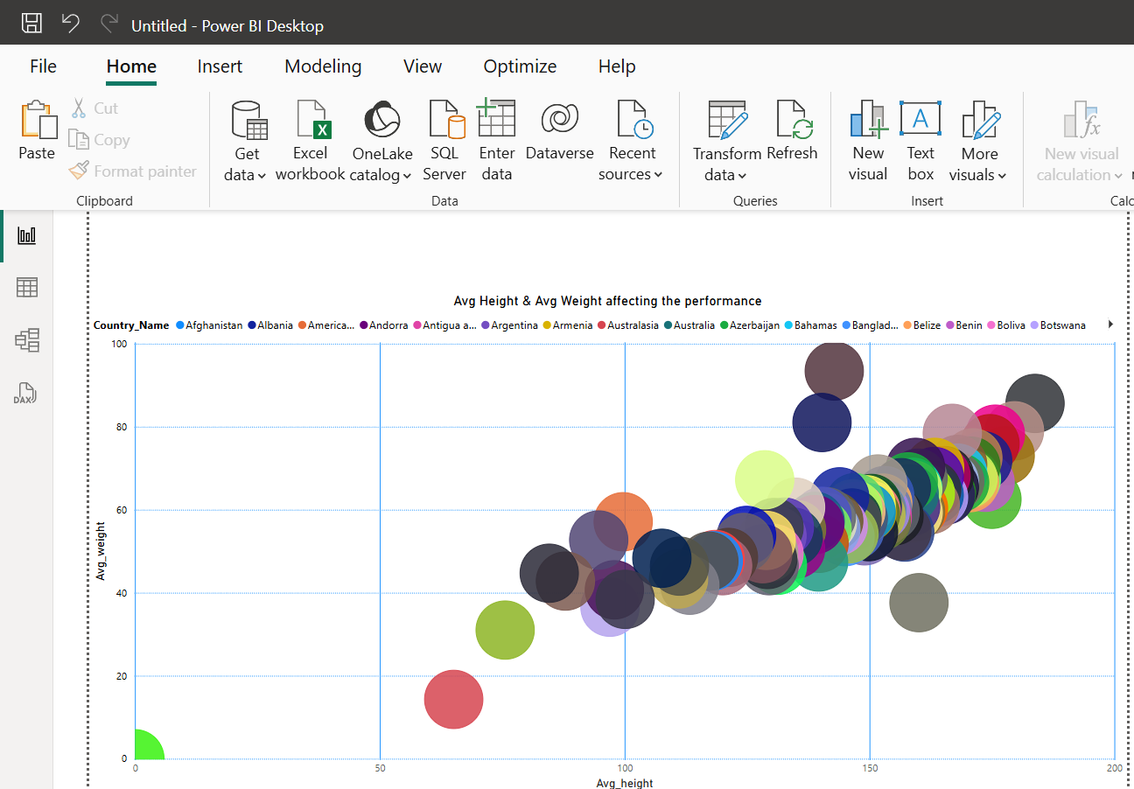
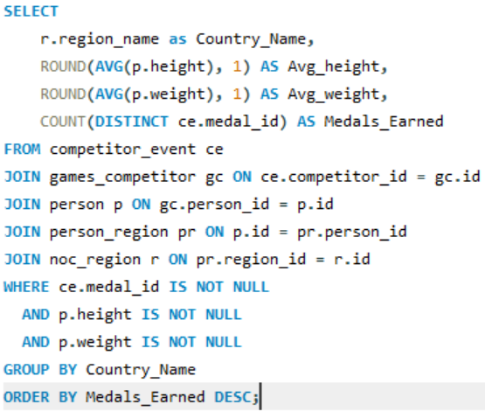
SQL Query: | Country_Name | Avg_height | Avg_weight | Medals_Earned
 | Australasia | 65.1 | 14.3 | 4
 | South Korea | 151.3 | 58.7 | 4
 | Albania | 143.9 | 63.1 | 4
 | Argentina | 131.1 | 53.7 | 4
 | Armenia | 163.3 | 70.2 | 4
 | Australia | 158.1 | 63.8 | 4
 | Azerbaijan | 168.4 | 66.5 | 4
 | Bahamas | 168.0 | 68.8 | 4
 | Bulgaria | 150.3 | 59.8 | 4
 | Cameroon | 147.0 | 61.7 | 4
 | Canada | 149.3 | 59.4 | 4
 | Colombia | 160.0 | 60.4 | 4
 | Croatia | 175.7 | 78.2 | 4
 | Czech Republic | 177.7 | 73.0 | 4
 | Czechoslovakia | 118.5 | 48.0 | 4
 | Egypt | 107.6 | 48.3 | 4 | The chart visualizes the relationship between the average height (x-axis) and average weight (y-axis) of participants, grouped by country. Each bubble represents a country, and while the size of the bubble isn't explicitly defined by a legend. The most apparent observation from the chart is a positive correlation between average height and average weight across different countries. As the average height of participants from a country increases, their average weight also tends to increase. This is a natural physiological correlation.
 | Estonia | 164.6 | 68.2 | 4
 | Finland | 142.7 | 57.3 | 4
 | Georgia | 174.6 | 75.9 | 4
 | Greece | 150.4 | 61.5 | 4
 | Hungary | 128.9 | 52.6 | 4
 | India | 120.0 | 46.5 | 4
 | Individual Olympic Athletes | 153.1 | 63.4 | 4
 | Ireland | 151.5 | 59.9 | 4
 | Israel | 154.2 | 59.5 | 4
 | Ivory Coast | 147.2 | 59.6 | 4
 | Jamaica | 170.1 | 67.5 | 4
 | Kazakhstan | 166.3 | 66.8 | 4
 | Kenya | 158.9 | 59.3 | 4
 | Latvia | 151.7 | 66.2 | 4
 | Lithuania | 171.1 | 72.5 | 4
 | Macedonia | 146.4 | 57.2 | 4
 | Moldova | 168.0 | 70.9 | 4
 | Mongolia | 150.2 | 58.9 | 4
 | Morocco | 147.7 | 57.9 | 4
 | Netherlands | 117.2 | 47.6 | 4
 | Nigeria | 149.3 | 61.2 | 4
 | North Korea | 129.5 | 46.5 | 4
 | Puerto Rico | 140.3 | 58.4 | 4
 | Romania | 140.3 | 55.3 | 4
 | Serbia and Montenegro | 179.6 | 79.0 | 4
 | Singapore | 129.4 | 49.7 | 4
 | Slovakia | 173.1 | 71.8 | 4
 | Soviet Union | 158.0 | 64.4 | 4
 | Syria | 87.9 | 42.8 | 4
 | Taiwan | 165.5 | 63.5 | 4
 | Trinidad and Tobago | 165.3 | 68.2 | 4
 | Turkey | 135.1 | 55.2 | 4
 | Uganda | 152.4 | 57.3 | 4
 | UK | 121.2 | 48.5 | 4
 | Ukraine | 166.3 | 65.5 | 4
 | Uruguay | 111.2 | 46.4 | 4
 | Uzbekistan | 163.2 | 68.0 | 4
 | Yugoslavia | 124.3 | 52.1 | 4
 | Ecuador | 163.2 | 63.6 | 3
 | Ghana | 146.4 | 58.0 | 3
 | Lebanon | 138.9 | 57.2 | 3
 | Luxembourg | 75.6 | 31.0 | 3
 | Montenegro | 183.8 | 85.6 | 3
 | Peru | 141.4 | 56.9 | 3
 | Qatar | 159.9 | 67.6 | 3
 | Suriname | 145.8 | 54.2 | 3
 | Vietnam | 156.6 | 54.9 | 3
 | Afghanistan | 118.1 | 47.7 | 2
 | Botswana | 164.1 | 63.0 | 2
 | Cyprus | 150.6 | 60.7 | 2
 | Djibouti | 139.6 | 47.4 | 2
 | Fiji | 159.4 | 70.2 | 2
 | Gabon | 157.9 | 66.7 | 2
 | Haiti | 141.2 | 58.3 | 2
 | Jordan | 151.4 | 59.8 | 2
 | Mauritius | 134.4 | 53.4 | 2
 | Namibia | 159.4 | 59.6 | 2
 | Netherlands Antilles | 124.9 | 53.8 | 2
 | Niger | 100.1 | 38.4 | 2
 | Paraguay | 132.6 | 55.8 | 2
 | Sri Lanka | 149.0 | 53.7 | 2
 | Tonga | 140.3 | 81.0 | 2
 | Turkmenistan | 170.7 | 70.5 | 2
 | Virgin Islands | 146.6 | 60.2 | 2
 | Zambia | 143.6 | 56.1 | 2
 | Iraq | 134.9 | 60.6 | 1
 | American Samoa | 99.7 | 57.1 | 1
 | Andorra | 138.8 | 56.4 | 1
 | Antigua and Barbuda | 152.6 | 58.2 | 1
 | Bangladesh | 145.0 | 53.5 | 1
 | Belize | 170.4 | 66.5 | 1
 | Benin | 173.6 | 66.6 | 1
 | Boliva | 130.5 | 49.4 | 1
 | Brunei | 149.5 | 59.4 | 1
 | Burkina Faso | 158.8 | 65.4 | 1
 | Chad | 147.0 | 55.2 | 1
 | Comoros | 134.9 | 50.5 | 1
 | Dominica | 165.7 | 63.9 | 1
 | El Salvador | 139.7 | 51.9 | 1
 | Equatorial Guinea | 97.9 | 40.7 | 1
 | Guam | 130.5 | 55.7 | 1
 | Guinea | 152.7 | 61.6 | 1
 | Guinea-Bissau | 161.4 | 63.9 | 1
 | Honduras | 142.1 | 55.3 | 1
 | Kiribati | 166.9 | 78.4 | 1
 | Laos | 157.2 | 54.6 | 1
 | Lesotho | 129.2 | 48.0 | 1
 | Malawi | 152.6 | 60.3 | 1
 | Malaya | 111.0 | 43.3 | 1
 | Malta | 128.2 | 49.4 | 1
 | Marshall Islands | 156.5 | 65.3 | 1
 | Mauritania | 167.4 | 66.8 | 1
 | Micronesia | 155.0 | 58.5 | 1
 | Nauru | 142.8 | 93.4 | 1
 | Nepal | 149.8 | 54.7 | 1
 | North Borneo | 0.0 | 0.0 | 1
 | North Yemen | 152.2 | 59.6 | 1
 | Palau | 158.8 | 64.8 | 1
 | Papua New Guinea | 162.4 | 61.2 | 1
 | Republic of Congo | 159.0 | 60.0 | 1
 | Rwanda | 113.3 | 41.8 | 1
 | Saint Vincent | 97.0 | 36.5 | 1
 | Samoa | 128.6 | 67.2 | 1
 | Sierra Leone | 158.4 | 60.7 | 1
 | Solomon Islands | 84.6 | 44.7 | 1
 | South Sudan | 175.0 | 62.5 | 1
 | Timor-Leste | 160.1 | 37.6 | 1
 | Turks and Caicos Islands | 162.7 | 64.8 | 1
 | Tuvalu | 94.7 | 52.7 | 1
 | Yemen | 131.2 | 46.6 | 1
 | Zimbabwe (Rhodesia) | 170.8 | 67.4 | 1

Q13
Q13:Are there any countries that consistently perform well in multiple Olympic editions?

Perfomance of Countries
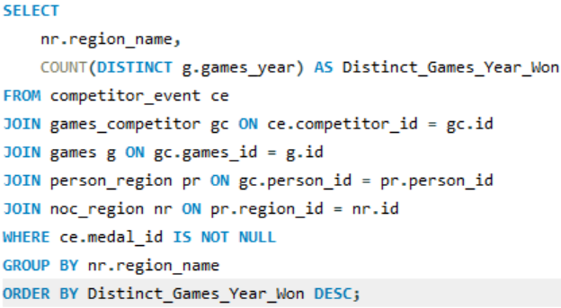
SQL Query: | region_name | Distinct_Games_Year_Won
 | Australia | 35
 | Greece | 35
 | UK | 35
 | Canada | 34
 | Hungary | 34
 | Netherlands | 33
 | Finland | 32
 | Czechoslovakia | 30
 | Argentina | 29
 | Luxembourg | 29
 | Romania | 29
 | Bulgaria | 28
 | India | 28
 | Turkey | 28
 | Ireland | 27 | Based on this bar chart we can analyze the consistency of countries performance across Olympic editions. Australia, Greece and UK are the highest performer, 35 distinct games years won. This suggests a very high level of consistency and sustained success over a long period. Meanwhile, Hungary & Canada follows them, with 34 distinct wins. Countries like Marshall Islands, Tuvalu, North Yemen, South Sudan and Zimbabwe (Rhodesia) are at the lower end of the spectrum, with fewer distinct games years won (less than 3).
 | Yugoslavia | 26
 | South Korea | 25
 | Jamaica | 24
 | Estonia | 22
 | Israel | 22
 | Latvia | 22
 | Lebanon | 22
 | Peru | 22
 | Uruguay | 22
 | Colombia | 21
 | Egypt | 21
 | Soviet Union | 21
 | Taiwan | 21
 | Trinidad and Tobago | 21
 | Mongolia | 20
 | Puerto Rico | 20
 | Andorra | 17
 | Bahamas | 17
 | Cyprus | 17
 | Kenya | 17
 | Lithuania | 17
 | Malta | 17
 | Singapore | 17
 | Sri Lanka | 17
 | Boliva | 16
 | Czech Republic | 16
 | Fiji | 16
 | Haiti | 16
 | Morocco | 16
 | Nepal | 16
 | Nigeria | 16
 | North Korea | 16
 | Slovakia | 16
 | Virgin Islands | 16
 | Cameroon | 15
 | Croatia | 15
 | Georgia | 15
 | Ghana | 15
 | Netherlands Antilles | 15
 | Uganda | 15
 | Ukraine | 15
 | Armenia | 14
 | Azerbaijan | 14
 | Ecuador | 14
 | Individual Olympic Athletes | 14
 | Kazakhstan | 14
 | Macedonia | 14
 | Moldova | 14
 | Serbia and Montenegro | 14
 | Uzbekistan | 14
 | Iraq | 13
 | Chad | 13
 | Ivory Coast | 13
 | Paraguay | 13
 | Zambia | 13
 | Belize | 12
 | El Salvador | 12
 | Republic of Congo | 12
 | Sierra Leone | 12
 | Suriname | 12
 | Syria | 12
 | Afghanistan | 11
 | Albania | 11
 | Benin | 11
 | Guinea | 11
 | Honduras | 11
 | Lesotho | 11
 | Antigua and Barbuda | 10
 | Botswana | 10
 | Gabon | 10
 | Jordan | 10
 | Malawi | 10
 | Papua New Guinea | 10
 | Tonga | 10
 | American Samoa | 9
 | Bangladesh | 9
 | Burkina Faso | 9
 | Equatorial Guinea | 9
 | Guam | 9
 | Laos | 9
 | Mauritania | 9
 | Mauritius | 9
 | Qatar | 9
 | Rwanda | 9
 | Samoa | 9
 | Solomon Islands | 9
 | Vietnam | 9
 | Djibouti | 8
 | Montenegro | 8
 | Niger | 8
 | Saint Vincent | 8
 | Dominica | 7
 | Namibia | 7
 | Nauru | 7
 | Yemen | 7
 | Comoros | 6
 | Guinea-Bissau | 6
 | Timor-Leste | 6
 | Turkmenistan | 6
 | Turks and Caicos Islands | 6
 | Australasia | 5
 | Brunei | 5
 | Micronesia | 5
 | Palau | 5
 | Kiribati | 4
 | Malaya | 4
 | Marshall Islands | 3
 | Tuvalu | 3
 | North Yemen | 2
 | South Sudan | 2
 | Zimbabwe (Rhodesia) | 2
 | North Borneo | 1

Q14
Q14: Are there any sports or events that have a higher number of medalists from a specific region?

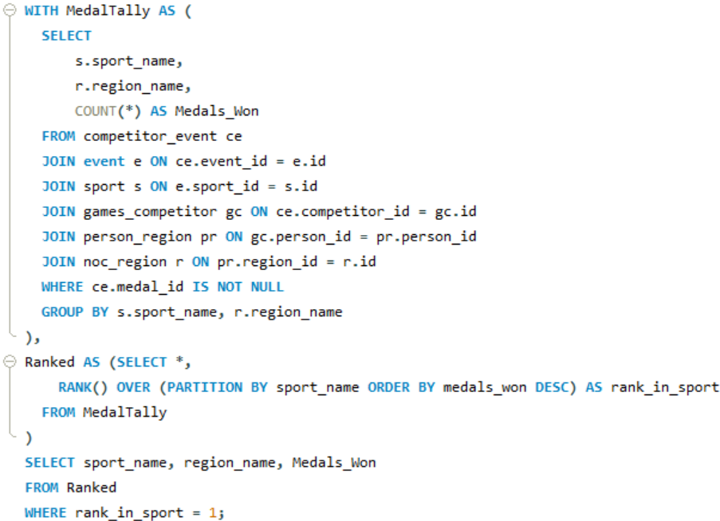
SQL Query: | sport_name | region_name | Medals_Won
 | Alpine Skiing | Canada | 422
 | Alpinism | UK | 11
 | Archery | UK | 120
 | Art Competitions | UK | 293
 | Athletics | UK | 2196
 | Badminton | South Korea | 112
 | Baseball | Netherlands | 92
 | Basketball | Australia | 259
 | Beach Volleyball | Australia | 36
 | Biathlon | Czech Republic | 201
 | Bobsleigh | UK | 206
 | Boxing | UK | 196
 | Canoeing | Hungary | 308
 | Cricket | UK | 17
 | Cross Country Skiing | Finland | 590
 | Curling | UK | 52
 | Cycling | UK | 568
 | Diving | UK | 192
 | Equestrianism | UK | 380 | From this donut chart we can identify sports where a specific country has a notably higher number of medalists. The largest segment by far is Athletics, where the UK has the highest number of medalists, with a count of 2,196. Following Athletics, Swimming also shows the UK as having the highest number of medalists, with 1,268. This reinforces the UK's strength in major Olympic sports. The findings indicate that specific countries have nurtured strong traditions, training programs, or natural talents in certain sports, which has led to a consistently high number of medalists from those regions in those disciplines. This specialization or historical strength is a clear trend that is evident in the data.
 | Fencing | Hungary | 607
 | Figure Skating | Canada | 227
 | Football | Nigeria | 163
 | Freestyle Skiing | Canada | 103
 | Golf | UK | 10
 | Gymnastics | Hungary | 1213
 | Handball | South Korea | 228
 | Hockey | Netherlands | 419
 | Ice Hockey | Canada | 469
 | Jeu De Paume | UK | 9
 | Judo | South Korea | 119
 | Lacrosse | Canada | 23
 | Luge | Canada | 90
 | Military Ski Patrol | Finland | 4
 | Modern Pentathlon | UK | 105
 | Motorboating | UK | 14
 | Nordic Combined | Finland | 117
 | Polo | UK | 29
 | Racquets | UK | 12
 | Rhythmic Gymnastics | Bulgaria | 48
 | Rowing | UK | 703
 | Rugby | Australasia | 16
 | Rugby Sevens | Fiji | 26
 | Sailing | UK | 328
 | Shooting | UK | 420
 | Short Track Speed Skating | Canada | 153
 | Skeleton | Canada | 20
 | Ski Jumping | Finland | 170
 | Snowboarding | Canada | 88
 | Softball | Canada | 60
 | Softball | Australia | 60
 | Speed Skating | Netherlands | 520
 | Swimming | UK | 1268
 | Synchronized Swimming | Canada | 67
 | Table Tennis | South Korea | 101
 | Taekwondo | Australia | 22
 | Tennis | UK | 187
 | Trampolining | Canada | 13
 | Triathlon | Australia | 29
 | Triathlon | UK | 29
 | Tug-Of-War | UK | 37
 | Volleyball | South Korea | 215
 | Water Polo | Hungary | 307
 | Weightlifting | UK | 115
 | Wrestling | Finland | 274

Q15
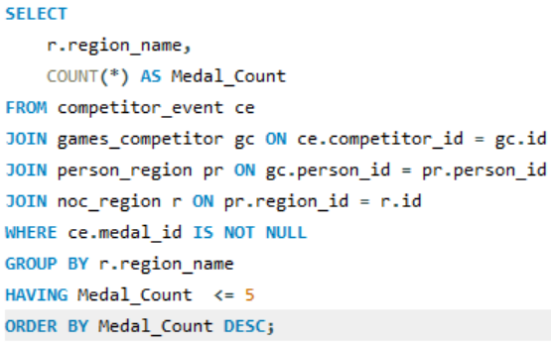
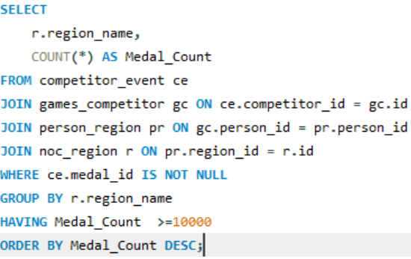
Q15: What are some notable instances of unexpected or surprising medal wins?

SQL Query:

# region_name | medal_count | # region_name | medal_count | The UK's medal count of 11,536 is exceptionally high, which denotes its status as a major historical Olympic power. This is expected from a nation with a long and rich sporting history. South Sudan is a relatively new nation, having gained independence in 2011. For such a nation to have accumulated 4 medals suggests a remarkable achievement. North Borneo's Medal Wins (2 medals): North Borneo refers to the former British colony, which is now part of Malaysia (Sabah).
UK | 11536 | South Sudan | 4
 |  | North Borneo | 2

Q16
Q16: Are there any regions that have experienced significant growth or decline in Olympic participation?

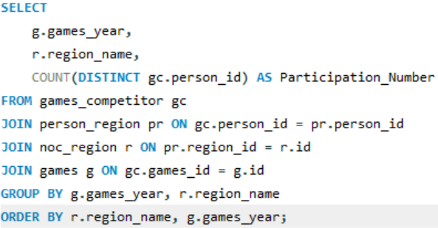
SQL Query: | games_year | region_name | Participation_Number | This line chart reveals significant growth trends in Olympic participation for several countries. Many countries, even those with relatively low participation, show an overall upward trend in participation numbers over the long term, albeit with fluctuations. This could reflect the overall growth of the Olympic movement and increased global participation over the decades.
 | 1936 | Afghanistan | 14
 | 1960 | Afghanistan | 12
 | 1964 | Afghanistan | 7
 | 1968 | Afghanistan | 5
 | 1972 | Afghanistan | 4
 | 1980 | Afghanistan | 11
 | 1996 | Afghanistan | 2
 | 2004 | Afghanistan | 5
 | 2008 | Afghanistan | 4
 | 2012 | Afghanistan | 6
 | 2016 | Afghanistan | 3
 | 1906 | Australasia | 2
 | 1908 | Australasia | 28
 | 1912 | Australasia | 25
 | 1920 | Australasia | 2
 | 1924 | Australasia | 1
 | 1960 | Iraq | 6
Region Wise-Growth or decline in Olympic participation
 | Afghanistan | Albania | American Samoa | Andorra | Antigua and Barbuda | Argentina | Armenia | Australasia | Australia | Azerbaijan | Bahamas | Bangladesh
1896 | 0 | 0 | 0 | 0 | 0 | 0 | 0 | 0 | 1 | 0 | 0 | 0
1900 | 0 | 0 | 0 | 0 | 0 | 1 | 0 | 0 | 2 | 0 | 0 | 0
1904 | 0 | 0 | 0 | 0 | 0 | 0 | 0 | 0 | 2 | 0 | 0 | 0
1906 | 0 | 0 | 0 | 0 | 0 | 0 | 0 | 2 | 4 | 0 | 0 | 0
1908 | 0 | 0 | 0 | 0 | 0 | 0 | 0 | 28 | 2 | 0 | 0 | 0
1912 | 0 | 0 | 0 | 0 | 0 | 0 | 0 | 25 | 1 | 0 | 0 | 0
1920 | 0 | 0 | 0 | 0 | 0 | 0 | 0 | 2 | 10 | 0 | 0 | 0
1924 | 0 | 0 | 0 | 0 | 0 | 45 | 0 | 1 | 33 | 0 | 0 | 0
1928 | 0 | 0 | 0 | 0 | 0 | 54 | 0 | 0 | 13 | 0 | 0 | 0
1932 | 0 | 0 | 0 | 0 | 0 | 28 | 0 | 0 | 12 | 0 | 0 | 0
1936 | 14 | 0 | 0 | 0 | 0 | 51 | 0 | 0 | 32 | 0 | 0 | 0
1948 | 0 | 0 | 0 | 0 | 0 | 135 | 0 | 0 | 69 | 0 | 2 | 0
1952 | 0 | 0 | 0 | 0 | 0 | 133 | 0 | 0 | 90 | 0 | 7 | 0
1956 | 0 | 0 | 0 | 0 | 0 | 28 | 0 | 0 | 262 | 0 | 4 | 0
1960 | 12 | 0 | 0 | 0 | 0 | 98 | 0 | 0 | 218 | 0 | 13 | 0
1964 | 7 | 0 | 0 | 0 | 0 | 114 | 0 | 0 | 247 | 0 | 11 | 0
1968 | 5 | 0 | 0 | 0 | 0 | 93 | 0 | 0 | 131 | 0 | 16 | 0
1972 | 4 | 5 | 0 | 0 | 0 | 94 | 0 | 0 | 171 | 0 | 20 | 0
1976 | 0 | 0 | 0 | 8 | 9 | 76 | 0 | 0 | 187 | 0 | 11 | 0
1980 | 11 | 0 | 0 | 5 | 0 | 12 | 0 | 0 | 131 | 0 | 0 | 0
1984 | 0 | 0 | 0 | 4 | 14 | 99 | 0 | 0 | 252 | 0 | 22 | 1
1988 | 0 | 0 | 6 | 7 | 15 | 133 | 4 | 0 | 273 | 1 | 16 | 6
1992 | 0 | 7 | 3 | 13 | 13 | 104 | 2 | 0 | 309 | 5 | 14 | 6
1994 | 0 | 0 | 2 | 6 | 0 | 10 | 3 | 0 | 25 | 1 | 0 | 0
1996 | 2 | 7 | 7 | 8 | 13 | 179 | 32 | 0 | 429 | 23 | 26 | 4
1998 | 0 | 0 | 0 | 3 | 0 | 2 | 7 | 0 | 23 | 4 | 0 | 0
2000 | 0 | 5 | 4 | 5 | 3 | 144 | 29 | 0 | 620 | 34 | 25 | 5
2002 | 0 | 0 | 0 | 3 | 0 | 11 | 9 | 0 | 25 | 4 | 0 | 0
2004 | 5 | 8 | 3 | 6 | 5 | 152 | 22 | 0 | 472 | 41 | 22 | 4
2006 | 0 | 1 | 0 | 3 | 0 | 9 | 5 | 0 | 41 | 2 | 0 | 0
2008 | 4 | 11 | 4 | 5 | 5 | 134 | 27 | 0 | 434 | 52 | 25 | 5
2010 | 0 | 1 | 0 | 6 | 0 | 7 | 4 | 0 | 40 | 2 | 0 | 0
2012 | 6 | 10 | 4 | 6 | 4 | 138 | 24 | 0 | 407 | 56 | 21 | 5
2014 | 0 | 1 | 0 | 6 | 0 | 7 | 4 | 0 | 62 | 3 | 0 | 0
2016 | 3 | 10 | 4 | 4 | 8 | 215 | 31 | 0 | 422 | 57 | 29 | 7
 | 1964 | Iraq | 13
 | 1968 | Iraq | 3
 | 1980 | Iraq | 23
 | 1984 | Iraq | 11
 | 1988 | Iraq | 21
 | 1992 | Iraq | 8
 | 1996 | Iraq | 3
 | 2000 | Iraq | 4
 | 2004 | Iraq | 24
 | 2008 | Iraq | 4
 | 2012 | Iraq | 8
 | 2016 | Iraq | 20
 | 1936 | South Korea | 2
 | 1948 | South Korea | 26
 | 1952 | South Korea | 17
 | 1956 | South Korea | 22
 | 1960 | South Korea | 39
 | 1964 | South Korea | 161
 | 1968 | South Korea | 60
 | 1972 | South Korea | 47
 | 1976 | South Korea | 53
 | 1980 | South Korea | 10
 | 1984 | South Korea | 190
 | 1988 | South Korea | 423
 | 1992 | South Korea | 249
 | 1994 | South Korea | 21
 | 1996 | South Korea | 303
 | 1998 | South Korea | 37
 | 2000 | South Korea | 281
 | 2002 | South Korea | 46
 | 2004 | South Korea | 264
 | 2006 | South Korea | 41
 | 2008 | South Korea | 265
 | 2010 | South Korea | 45
 | 2012 | South Korea | 250
 | 2014 | South Korea | 72
 | 2016 | South Korea | 207
 | 1972 | Albania | 5
 | 1992 | Albania | 7
 | 1996 | Albania | 7
 | 2000 | Albania | 5
 | 2004 | Albania | 8
 | 2006 | Albania | 1
 | 2008 | Albania | 11
 | 2010 | Albania | 1
 | 2012 | Albania | 10
 | 2014 | Albania | 1
 | 2016 | Albania | 10
 | 1988 | American Samoa | 6
 | 1992 | American Samoa | 3
 | 1994 | American Samoa | 2
 | 1996 | American Samoa | 7
 | 2000 | American Samoa | 4
 | 2004 | American Samoa | 3
 | 2008 | American Samoa | 4
 | 2012 | American Samoa | 4
 | 2016 | American Samoa | 4
 | 1976 | Andorra | 8
 | 1980 | Andorra | 5
 | 1984 | Andorra | 4
 | 1988 | Andorra | 7
 | 1992 | Andorra | 13
 | 1994 | Andorra | 6
 | 1996 | Andorra | 8
 | 1998 | Andorra | 3
 | 2000 | Andorra | 5
 | 2002 | Andorra | 3
 | 2004 | Andorra | 6
 | 2006 | Andorra | 3
 | 2008 | Andorra | 5
 | 2010 | Andorra | 6
 | 2012 | Andorra | 6
 | 2014 | Andorra | 6
 | 2016 | Andorra | 4
 | 1976 | Antigua and Barbuda | 9
 | 1984 | Antigua and Barbuda | 14
 | 1988 | Antigua and Barbuda | 15
 | 1992 | Antigua and Barbuda | 13
 | 1996 | Antigua and Barbuda | 13
 | 2000 | Antigua and Barbuda | 3
 | 2004 | Antigua and Barbuda | 5
 | 2008 | Antigua and Barbuda | 5
 | 2012 | Antigua and Barbuda | 4
 | 2016 | Antigua and Barbuda | 8
 | 1900 | Argentina | 1
 | 1924 | Argentina | 45
 | 1928 | Argentina | 54
 | 1932 | Argentina | 28
 | 1936 | Argentina | 51
 | 1948 | Argentina | 135
 | 1952 | Argentina | 133
 | 1956 | Argentina | 28
 | 1960 | Argentina | 98
 | 1964 | Argentina | 114
 | 1968 | Argentina | 93
 | 1972 | Argentina | 94
 | 1976 | Argentina | 76
 | 1980 | Argentina | 12
 | 1984 | Argentina | 99
 | 1988 | Argentina | 133
 | 1992 | Argentina | 104
 | 1994 | Argentina | 10
 | 1996 | Argentina | 179
 | 1998 | Argentina | 2
 | 2000 | Argentina | 144
 | 2002 | Argentina | 11
 | 2004 | Argentina | 152
 | 2006 | Argentina | 9
 | 2008 | Argentina | 134
 | 2010 | Argentina | 7
 | 2012 | Argentina | 138
 | 2014 | Argentina | 7
 | 2016 | Argentina | 215
 | 1988 | Armenia | 4
 | 1992 | Armenia | 2
 | 1994 | Armenia | 3
 | 1996 | Armenia | 32
 | 1998 | Armenia | 7
 | 2000 | Armenia | 29
 | 2002 | Armenia | 9
 | 2004 | Armenia | 22
 | 2006 | Armenia | 5
 | 2008 | Armenia | 27
 | 2010 | Armenia | 4
 | 2012 | Armenia | 24
 | 2014 | Armenia | 4
 | 2016 | Armenia | 31
 | 1896 | Australia | 1
 | 1900 | Australia | 2
 | 1904 | Australia | 2
 | 1906 | Australia | 4
 | 1908 | Australia | 2
 | 1912 | Australia | 1
 | 1920 | Australia | 10
 | 1924 | Australia | 33
 | 1928 | Australia | 13
 | 1932 | Australia | 12
 | 1936 | Australia | 32
 | 1948 | Australia | 69
 | 1952 | Australia | 90
 | 1956 | Australia | 262
 | 1960 | Australia | 218
 | 1964 | Australia | 247
 | 1968 | Australia | 131
 | 1972 | Australia | 171
 | 1976 | Australia | 187
 | 1980 | Australia | 131
 | 1984 | Australia | 252
 | 1988 | Australia | 273
 | 1992 | Australia | 309
 | 1994 | Australia | 25
 | 1996 | Australia | 429
 | 1998 | Australia | 23
 | 2000 | Australia | 620
 | 2002 | Australia | 25
 | 2004 | Australia | 472
 | 2006 | Australia | 41
 | 2008 | Australia | 434
 | 2010 | Australia | 40
 | 2012 | Australia | 407
 | 2014 | Australia | 62
 | 2016 | Australia | 422
 | 1988 | Azerbaijan | 1
 | 1992 | Azerbaijan | 5
 | 1994 | Azerbaijan | 1
 | 1996 | Azerbaijan | 23
 | 1998 | Azerbaijan | 4
 | 2000 | Azerbaijan | 34
 | 2002 | Azerbaijan | 4
 | 2004 | Azerbaijan | 41
 | 2006 | Azerbaijan | 2
 | 2008 | Azerbaijan | 52
 | 2010 | Azerbaijan | 2
 | 2012 | Azerbaijan | 56
 | 2014 | Azerbaijan | 3
 | 2016 | Azerbaijan | 57
 | 1948 | Bahamas | 2
 | 1952 | Bahamas | 7
 | 1956 | Bahamas | 4
 | 1960 | Bahamas | 13
 | 1964 | Bahamas | 11
 | 1968 | Bahamas | 16
 | 1972 | Bahamas | 20
 | 1976 | Bahamas | 11
 | 1984 | Bahamas | 22
 | 1988 | Bahamas | 16
 | 1992 | Bahamas | 14
 | 1996 | Bahamas | 26
 | 2000 | Bahamas | 25
 | 2004 | Bahamas | 22
 | 2008 | Bahamas | 25
 | 2012 | Bahamas | 21
 | 2016 | Bahamas | 29
 | 1984 | Bangladesh | 1
 | 1988 | Bangladesh | 6
 | 1992 | Bangladesh | 6
 | 1996 | Bangladesh | 4
 | 2000 | Bangladesh | 5
 | 2004 | Bangladesh | 4
 | 2008 | Bangladesh | 5
 | 2012 | Bangladesh | 5
 | 2016 | Bangladesh | 7
 | 1968 | Belize | 7
 | 1972 | Belize | 1
 | 1976 | Belize | 3
 | 1984 | Belize | 11
 | 1988 | Belize | 10
 | 1992 | Belize | 11
 | 1996 | Belize | 5
 | 2000 | Belize | 2
 | 2004 | Belize | 2
 | 2008 | Belize | 4
 | 2012 | Belize | 3
 | 2016 | Belize | 3
 | 1972 | Benin | 2
 | 1980 | Benin | 7
 | 1984 | Benin | 3
 | 1988 | Benin | 7
 | 1992 | Benin | 5
 | 1996 | Benin | 5
 | 2000 | Benin | 4
 | 2004 | Benin | 4
 | 2008 | Benin | 5
 | 2012 | Benin | 5
 | 2016 | Benin | 6
 | 1936 | Boliva | 1
 | 1956 | Boliva | 1
 | 1964 | Boliva | 1
 | 1968 | Boliva | 4
 | 1972 | Boliva | 11
 | 1976 | Boliva | 4
 | 1980 | Boliva | 3
 | 1984 | Boliva | 14
 | 1988 | Boliva | 13
 | 1992 | Boliva | 18
 | 1996 | Boliva | 8
 | 2000 | Boliva | 5
 | 2004 | Boliva | 7
 | 2008 | Boliva | 7
 | 2012 | Boliva | 5
 | 2016 | Boliva | 12
 | 1980 | Botswana | 7
 | 1984 | Botswana | 7
 | 1988 | Botswana | 7
 | 1992 | Botswana | 6
 | 1996 | Botswana | 7
 | 2000 | Botswana | 7
 | 2004 | Botswana | 11
 | 2008 | Botswana | 11
 | 2012 | Botswana | 4
 | 2016 | Botswana | 12
 | 1996 | Brunei | 1
 | 2000 | Brunei | 2
 | 2004 | Brunei | 1
 | 2012 | Brunei | 3
 | 2016 | Brunei | 3
 | 1924 | Bulgaria | 13
 | 1928 | Bulgaria | 5
 | 1932 | Bulgaria | 2
 | 1936 | Bulgaria | 33
 | 1948 | Bulgaria | 4
 | 1952 | Bulgaria | 68
 | 1956 | Bulgaria | 52
 | 1960 | Bulgaria | 105
 | 1964 | Bulgaria | 70
 | 1968 | Bulgaria | 118
 | 1972 | Bulgaria | 134
 | 1976 | Bulgaria | 187
 | 1980 | Bulgaria | 279
 | 1984 | Bulgaria | 16
 | 1988 | Bulgaria | 199
 | 1992 | Bulgaria | 169
 | 1994 | Bulgaria | 17
 | 1996 | Bulgaria | 115
 | 1998 | Bulgaria | 19
 | 2000 | Bulgaria | 92
 | 2002 | Bulgaria | 24
 | 2004 | Bulgaria | 99
 | 2006 | Bulgaria | 21
 | 2008 | Bulgaria | 71
 | 2010 | Bulgaria | 19
 | 2012 | Bulgaria | 64
 | 2014 | Bulgaria | 18
 | 2016 | Bulgaria | 54
 | 1972 | Burkina Faso | 1
 | 1988 | Burkina Faso | 4
 | 1992 | Burkina Faso | 4
 | 1996 | Burkina Faso | 5
 | 2000 | Burkina Faso | 4
 | 2004 | Burkina Faso | 5
 | 2008 | Burkina Faso | 6
 | 2012 | Burkina Faso | 5
 | 2016 | Burkina Faso | 5
 | 1964 | Cameroon | 1
 | 1968 | Cameroon | 5
 | 1972 | Cameroon | 11
 | 1976 | Cameroon | 4
 | 1980 | Cameroon | 23
 | 1984 | Cameroon | 39
 | 1988 | Cameroon | 13
 | 1992 | Cameroon | 8
 | 1996 | Cameroon | 15
 | 2000 | Cameroon | 35
 | 2002 | Cameroon | 1
 | 2004 | Cameroon | 19
 | 2008 | Cameroon | 33
 | 2012 | Cameroon | 33
 | 2016 | Cameroon | 22
 | 1900 | Canada | 3
 | 1904 | Canada | 39
 | 1906 | Canada | 3
...

Q17
Q17: How do cultural or geographical factors influence the performance of regions in specific sports?

Factors influencing the performance of regions in specific sports
 | Aeronautics | Alpinism | Archery | Art Competitions | Athletics | Badminton | Baseball | Basketball | Basque Pelota | Beach Volleyball | Boxing | Canoeing
Afghanistan
Albania |  |  |  |  | 2
Algeria |  |  |  |  | 9 |  |  |  |  |  | 6
Argentina |  |  |  |  | 5 |  |  | 24 |  |  | 24
Armenia |  |  |  |  |  |  |  |  |  |  | 1
Australasia
Australia |  |  | 5 |  | 84 |  | 24 | 60 |  | 4 | 4 | 45
Austria |  |  |  | 10 | 8 |  |  |  |  |  |  | 21
Azerbaijan |  |  |  |  |  |  |  |  |  |  | 9 | 6
Bahamas |  |  |  |  | 36
Bahrain |  |  |  |  | 3
Barbados |  |  |  |  | 1
Belarus |  |  |  |  | 21 |  |  |  |  |  | 2 | 24
Belgium |  |  | 21 | 8 | 15 |  |  |  |  |  | 3 | 1
Bermuda |  |  |  |  |  |  |  |  |  |  | 1
Bohemia |  |  |  |  | 1
Botswana |  |  |  |  | 1
Brazil |  |  |  |  | 26 |  |  | 58 |  | 26 | 5 | 4
Bulgaria |  |  |  |  | 19 |  |  | 24 |  |  | 18 | 28
Burundi |  |  |  |  | 2
Cameroon |  |  |  |  | 2 |  |  |  |  |  | 2
Canada |  |  |  | 2 | 85 |  |  | 9 |  | 2 | 16 | 33
Chile |  |  |  |  | 2 |  |  |  |  |  | 3
China |  |  | 19 |  | 27 | 64 |  | 23 |  | 4 | 12 | 4
Colombia |  |  |  |  | 3 |  |  |  |  |  | 5
Costa Rica
Croatia |  |  |  |  | 5 |  |  | 19 |  |  | 1
Cuba |  |  |  |  | 59 |  | 112 | 12 |  |  | 73 | 5
Cyprus
Czech Republic |  |  |  |  | 15 |  |  |  |  |  | 1 | 27
Czechoslovakia |  |  |  | 3 | 29 |  |  |  |  |  | 6 | 24
Denmark |  |  |  | 9 | 7 | 12 |  |  |  |  | 12 | 22
Djibouti |  |  |  |  | 1
Dominican Republic |  |  |  |  | 3 |  |  |  |  |  | 2
East Germany |  |  |  |  | 149 |  |  |  |  |  | 14 | 74
Ecuador |  |  |  |  | 2
Egypt |  |  |  |  |  |  |  |  |  |  | 3
Eritrea |  |  |  |  | 1
Estonia |  |  |  |  | 8 |  |  |  |  |  | 1
Ethiopia |  |  |  |  | 53
Fiji
Finland |  |  | 6 | 5 | 136 |  |  |  |  |  | 15 | 14
France |  |  | 44 | 13 | 104 |  |  | 38 |  |  | 25 | 53
Gabon
Georgia |  |  | 1 |  |  |  |  |  |  |  | 1
Germany |  | 2 | 7 | 26 | 178 |  |  |  |  | 6 | 31 | 184
Ghana |  |  |  |  |  |  |  |  |  |  | 3
Greece |  |  |  | 1 | 16
Grenada |  |  |  |  | 2
Guatemala |  |  |  |  | 1
...
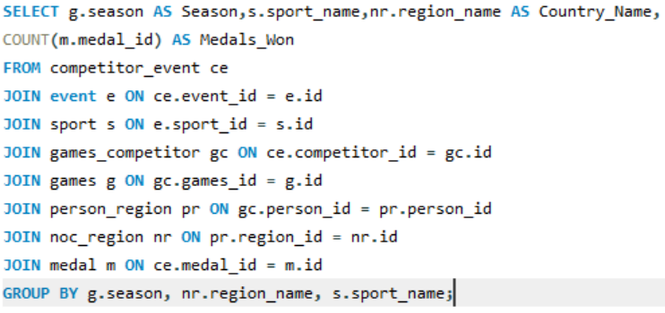
 | Season | sport_name | Country_Name | Medals_Won
SQL Query: | Summer | Aeronautics | Switzerland | 1
 | Winter | Alpine Skiing | Austria | 108
 | Winter | Alpine Skiing | Switzerland | 53
 | Winter | Alpine Skiing | USA | 39
 | Winter | Alpine Skiing | France | 39
 | Winter | Alpine Skiing | Italy | 30
 | Winter | Alpine Skiing | Norway | 28
 | Winter | Alpine Skiing | Germany | 27
 | Winter | Alpine Skiing | Sweden | 16
 | Winter | Alpine Skiing | Canada | 11
 | Winter | Alpine Skiing | West Germany | 11
 | Winter | Alpine Skiing | Croatia | 10
 | Winter | Alpine Skiing | Liechtenstein | 9
 | Winter | Alpine Skiing | Slovenia | 7
 | Winter | Alpine Skiing | Spain | 2
 | Winter | Alpine Skiing | Luxembourg | 2 | The data indicates that geographical advantages, such as cold climates or mountainous regions, significantly boost performance in winter or terrain-specific sports. In addition, cultural emphasis, government support, and a rich sporting history are essential components of broader success. Regions are likely to excel in sports that align with their natural environment and cultural values, thus confirming the impact of both culture and geography on sports performance.
 | Winter | Alpine Skiing | Yugoslavia | 2
 | Winter | Alpine Skiing | Russia | 1
 | Winter | Alpine Skiing | Unified Team | 1
 | Winter | Alpine Skiing | New Zealand | 1
 | Winter | Alpine Skiing | Soviet Union | 1
 | Winter | Alpine Skiing | Japan | 1
 | Winter | Alpine Skiing | Finland | 1
 | Winter | Alpine Skiing | Czechoslovakia | 1
 | Winter | Alpine Skiing | Australia | 1
 | Winter | Alpine Skiing | Czech Republic | 1
 | Summer | Alpinism | Switzerland | 2
 | Summer | Alpinism | Germany | 2
 | Summer | Archery | South Korea | 69
...

Q18
Q18: Are there any regions that have had a notable impact on the overall medal tally?

Regional contribution as a percentage of the total medals
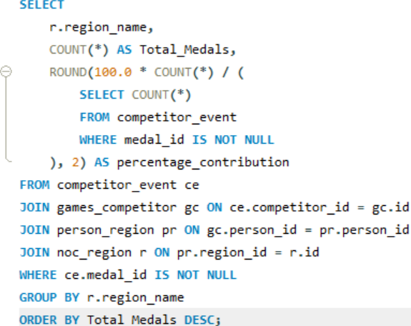
SQL Query: | Region_name | total_medals | percentage_contribution
 | UK | 11536 | 4.42
 | Canada | 9540 | 3.66
 | Australia | 7584 | 2.91
 | Hungary | 6514 | 2.50
 | Soviet Union | 6171 | 2.36
 | Netherlands | 5880 | 2.25
 | Finland | 5473 | 2.10
 | Czechoslovakia | 4516 | 1.73
 | South Korea | 4418 | 1.69
 | Romania | 4358 | 1.67
 | Bulgaria | 3508 | 1.34
 | Argentina | 3073 | 1.18
 | Ukraine | 2705 | 1.04
 | Yugoslavia | 2642 | 1.01
 | Greece | 2222 | 0.85
 | Czech Republic | 2076 | 0.80
 | Kazakhstan | 1516 | 0.58
 | Egypt | 1445 | 0.55
 | India | 1263 | 0.48 | This Pie chart displays the percentage contribution of various regions to the total number of medals. With 10% of the total medals, the UK stands out as the single largest contributor (nearly 10%) among the regions shown. This indicates a very significant and notable impact on the overall medal tally. Following the UK, Canada accounts for 8% of the total medals, making it another major contributor. As the segments get smaller, the percentage contribution decreases. Many regions contribute 3%, 2%, or 1%, with a large number of regions contributing less than 1% (represented by the very thin slices on the left side of the chart, often grouped as "others" or simply too small to label individually).
 | Ireland | 1229 | 0.47
 | Turkey | 1210 | 0.46
 | Slovakia | 1137 | 0.44
 | Taiwan | 1082 | 0.41
 | Colombia | 1032 | 0.40
 | Luxembourg | 975 | 0.37
 | Latvia | 942 | 0.36
 | Puerto Rico | 924 | 0.35
 | Croatia | 918 | 0.35
 | Estonia | 892 | 0.34
 | Nigeria | 882 | 0.34
 | Jamaica | 863 | 0.33
 | North Korea | 805 | 0.31
 | Kenya | 739 | 0.28
 | Israel | 671 | 0.26
 | Lithuania | 658 | 0.25
...

